Method
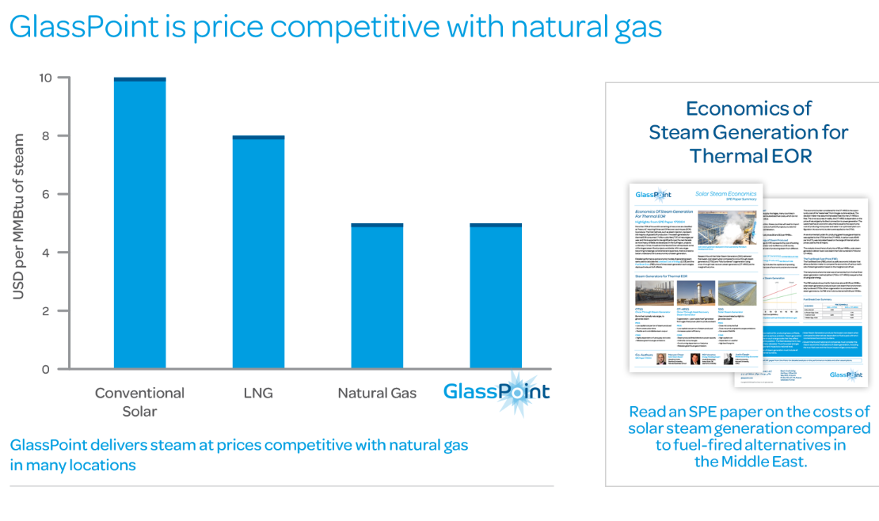
Policy potential

The potential for this policy is taken from the ICF report, which models a 30 percent
substitution in its Accelerated Sceanio.

Finance model

The approach used in the Lazard levelized cost analysis (pictured at the "Finance Model" tab) is used.

60 percent debt. Reflecting higher risk for a new technology, a 10% rate of interest is used instead of the 8% rate used in Lazard.

40 percent equity. Reflecting higher risk for a new technology, a 15% rate of return for equity investors is assumed compared to the 12% rate used in Lazard.

12 year project. | 12

Production and earnings

This reflects the policy potential (ie. 492 million MMBtu) and the efficiency of steam production
from natural gas using Department of Energy estimate of 81.7% conversion efficiency.

Capital costs are taken from the ICF report ("Exhibit 3" of the report).

Operating costs are not included in the ICF modeling. These are assumed to be 1%
based on personal communication with people in the industry (Seven Geiger, Solar Lite, June 2019).

Sales price assumed to equal what is being replaced, natural gas, using the carbon price
reflected in the "planned scenario" reaching $28.3 dollar per metric ton in 2030 ($2017 dollars).

Taxes
The tab "adjust state corporate tax" shows efforts to account for higher state tax rates in California.

Based on the IRS excerpt shown, it seems that depreciation over a 15 year time period would be possible,
and this is the schedule used.
https://www.irs.gov/pub/irs-pdf/p946.pdf

Cost to administer policy
The line item for the Stationary Source Program in the Air Resource Board is used as an input to estimating program implementation cost.

Price of natural gas for thermal (i.e. steam) enhanced oil recovery
The tab "Price natural gas steam EOR" explains the basic rationale and approach.
The following tab carries out the average price calculation with support data and sources at tabs to the right.

Inputs

natural gas efficiency |  | 0.817
Dept of Energy, "Benchmark the Fuel Cost of Steam Generation"

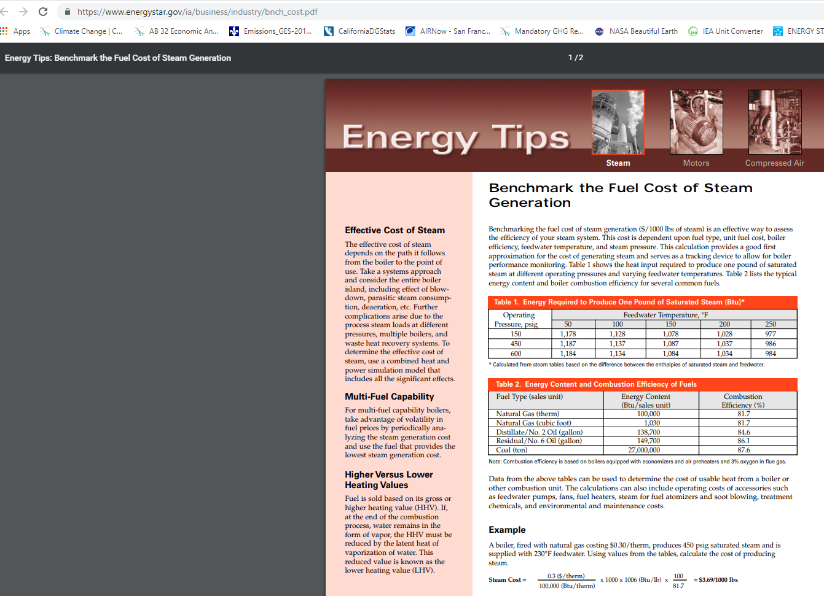
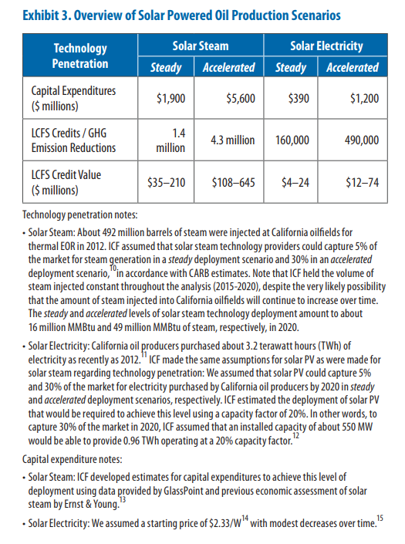

1
Kovscek says that under current oil field procedures, which call for heating 24 hours a day, solar steam could displace the one-third of natural gas burned during the day.
https://www.technologyreview.com/s/423112/where-solar-power-meets-the-oil-field/

2

ICF report 2015 explore impacts of a 30% substitution of solar steam for natural gas.
https://www.seia.org/sites/default/files/resources/Solar_Powered_Oil_Production_California_Economy_0.pdf

Prior work has found: The potential for carbon reductions from steam generation in enhanced oil recovery is assessed on the basis of natural gas consumption in steam flooding and cyclic steam injection for California onshore wells.
Based on data from the California Department of Conservation, between January 2011 and June 2012, average natural gas consumption for steam injection was 522,103 million BTU (MMBtu) per day.
Of this amount, steam for oil recovery that is not generated through cogeneration is assumed to be generated via once-through steam generators (OTSGs), estimated to be responsible for 58 percent of California steam generation, or 301,330 MMBtu per day.
https://www1.eere.energy.gov/manufacturing/resources/petroleum_refining/pdfs/cpi_profile.pdf

3
In speaking with CARB, they say their LCFS planning is only anticipating 1.5-2.25 MMT in annual emission reductions through 2030.
This seems to be primarily about uncertainty with regard to future price impacts of the LCFS and lack of a strong, reliable carbon price.
There are high upfront costs and so far utilities have not wanted to finance themselves. Financing for projects appears to be the main practical hurdle.

4
"One of California’s Biggest Solar Projects Will Be Located at an Oil Field"
Dec-17

The partnership, between Belridge field operator Aera Energy and solar thermal power company GlassPoint, will feature a 26.5-megawatt photovoltaic array and 850 megawatts-thermal of solar collectors for steam generation. It's slated to come on-line in 2020.
Aera, which is jointly owned by majors Shell and Exxon, produces almost a quarter of California’s oil and gas. GlassPoint currently has two running projects in Oman that are tied to oil extraction operations.

https://www.greentechmedia.com/articles/read/california-glasspoint-solar-enhanced-oil-recovery#gs.ZMm1nqY

When implemented, by 2021, 300-400,000 tons of carbon dioxide abated annually.

https://www.glasspoint.com/markets/california/

GlassPoint says "less than natural gas," thought their graph makes the two options look relatively equal.

From their marketing materials:
More than 60% of the cost of operating a heavy oil field in California is fuel purchase for thermal enhanced oil recovery. GlassPoint offers steam for less cost than steam made from natural gas, delivering significant savings

Lazard finance model
The framework below is used as a model, with adjustments noted on the "Method" tab

https://www.lazard.com/media/450773/lazards-levelized-cost-of-energy-version-120-vfinal.pdf

In order to reflect anticipated concerns about the "social license to operate" over the long run, a 15-year time horizon is used instead of the 20-year horizon below.

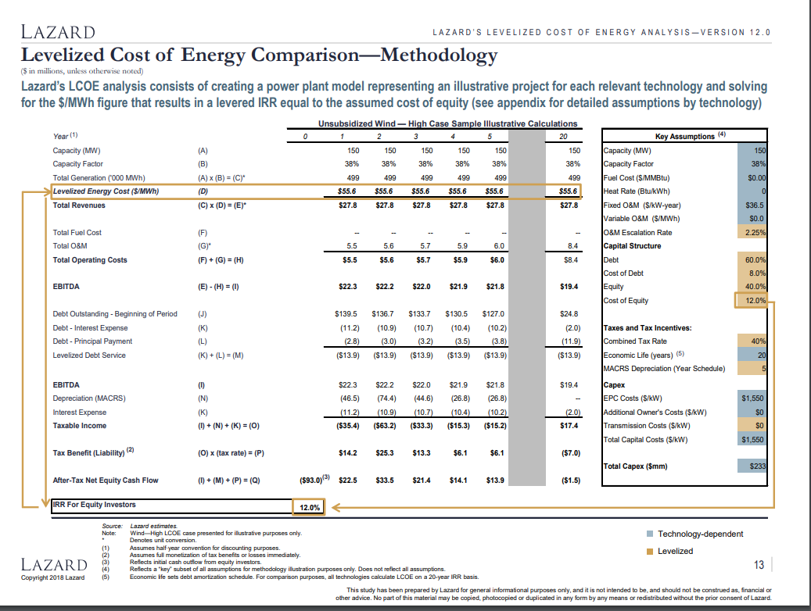

 | Combined tax rate | 0.4

Taxes
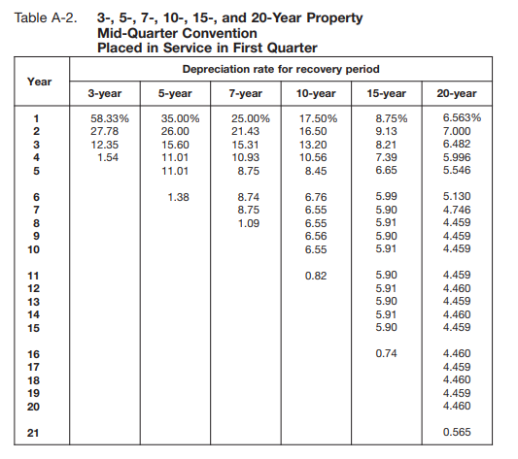
Sum of tax liability in positive years | -$5,379,850

 | 1 | 2 | 3 | 4 | 5 | 6 | 7 | 8 | 9 | 10 | 11 | 12 | 13 | 14 | 15 | 16 | 17 | 18 | 19 | 20
Earnings before interest, taxes, depreciation, and amortization | $292,942,385 | $303,059,385 | $306,682,197 | $310,633,243 | $315,728,096 | $319,132,953 | $330,134,128 | $339,731,139 | $349,317,638 | $358,689,231 | $367,577,210 | $376,823,101 | $383,893,955 | $393,985,984 | $409,835,238 | $429,414,822 | $442,089,237 | $455,112,078 | $468,493,353 | $482,243,364
Depreciation | $1,292,687,108 | $1,206,507,968 | $1,120,328,827 | $1,034,149,686 | $947,970,546 | $861,791,405 | $775,612,265 | $689,433,124 | $603,253,984 | $517,074,843 | $430,895,703 | $344,716,562 | $258,537,422 | $172,358,281 | $86,179,141 | $0 | $0 | $0 | $0 | $0
Interest payments | $336,000,000 | $320,287,526 | $303,003,805 | $283,991,711 | $263,078,409 | $240,073,776 | $214,768,679 | $186,933,074 | $156,313,907 | $122,632,824 | $85,583,632 | $44,829,522 | $0 | $0 | $0 | $0 | $0 | $0 | $0 | $0
Taxable income | -$1,335,744,723 | -$1,223,736,109 | -$1,116,650,435 | -$1,007,508,155 | -$895,320,859 | -$782,732,229 | -$660,246,816 | -$536,635,059 | -$410,250,253 | -$281,018,436 | -$148,902,125 | -$12,722,983 | $125,356,533 | $221,627,703 | $323,656,097 | $429,414,822 | $442,089,237 | $455,112,078 | $468,493,353 | $482,243,364
Net tax liability | -$564,812,977 | -$517,450,695 | -$472,170,053 | -$426,019,786 | -$378,581,949 | -$330,974,409 | -$279,182,065 | -$226,913,451 | -$173,472,268 | -$118,827,240 | -$62,962,519 | -$5,379,850 | $53,006,383 | $93,714,166 | $136,856,362 | $181,575,910 | $186,935,224 | $192,441,867 | $198,100,072 | $203,914,195
Annual tax liability greater than zero | $0 | $0 | $0 | $0 | $0 | $0 | $0 | $0 | $0 | $0 | $0 | -$5,379,850

Tax rate | 0.4
California adjustment | 2.2845
Adjusted for California | 0.422845

Cost as Basis
The basis of property you buy is its cost plus amounts you paid for items such as sales tax (see Exception below), freight charges, and installation and testing fees.
The cost includes the amount you pay in cash, debt obligations, other property, or services.

Sum of equity and debt payments | $10,341,496,865
Sum of equity and debt payments | $10,341,496,865
Years | 15
Salvage value | 0

 | 1 | 2 | 3 | 4 | 5 | 6 | 7 | 8 | 9 | 10 | 11 | 12 | 13 | 14 | 15 | 16 | 17 | 18 | 19 | 20
Depreciation | $1,292,687,108.11 | $1,206,507,967.57 | $1,120,328,827.02 | $1,034,149,686.48 | $947,970,545.94 | $861,791,405.40 | $775,612,264.86 | $689,433,124.32 | $603,253,983.78 | $517,074,843.24 | $430,895,702.70 | $344,716,562.16 | $258,537,421.62 | $172,358,281.08 | $86,179,140.54 | $0.00 | $0.00 | $0.00 | $0.00 | $0.00

https://www.irs.gov/pub/irs-pdf/p946.pdf

 |  |  |  |  |  | Cost as Basis The basis of property you buy is its cost plus amounts you paid for items such as sales tax (see Exception below), freight charges, and installation and testing fees. The cost includes the amount you pay in cash, debt obligations, other property, or services.

8.84 | California corporate tax rate
 | https://www.taxpolicycenter.org/statistics/state-corporate-income-tax-rates

SoCal Gas
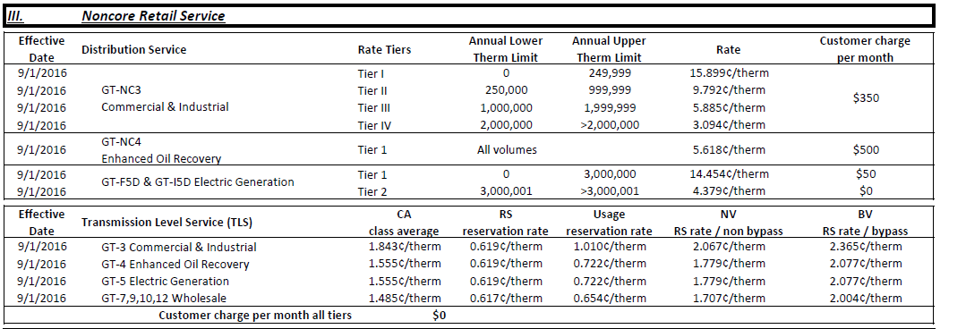
Rate summary below

https://www.socalgas.com/sites/default/files/1443740512263/Rate_Summary.pdf

Retail comparison to the high volume electric generation price

Retail
EOR | 5.618 | $/therm
Elec Gen | 4.379 | $/therm
Ratio of EOR over Elec Gen |  |  | Distribution (Tier 5) - Transmission - Ratio of EOR over Power | 1.2829413108

(doesn't account for customer fixed charge per month)

Backbone / Transmission

For SoCal gas, we do not observe a way to directly interpret background rates, but we observe transmission rates are equal to electric power generation.

Therefore, in this case, we set the ratio to one, reflecting equal prices for EOR and electric power generation.

Backbone / Transmission | 1

Calculations and conversions
5.618 | $/therm
5.62E-06 | $/Btu
one therm equals |  | 100000 | Btu
2016 EIA
3.16 | $/thousand cf
0.00316 | $/cf
3.0501930502E-06 | $/Btu
conversion factor | 1 cubic foot = 1,036 Btu | https://www.eia.gov/energyexplained/units-and-calculators/british-thermal-units.php

PG&E calcs- backbone level
Year 2017 calculations
 | electric | non-core tier 5 volume | electric | non-core tier 5 volume
BACKBONE LEVEL
 | $/therm | $/therm | $/Btu | $/Btu

City gate price |  |  | 3.3301158301E-06 | 3.3301158301E-06
Transportation charge | 0.00825 | 0.00922 | 8.25E-08 | 9.22E-08
cap-and-trade credit | not applicable this year
Franchise fee |  | 0.0028916666667 |  | 2.8916666667E-08 | one therm equals | 100000 | Btu
Sum |  |  | 3.4126158301E-06 | 3.4512324968E-06

 |  |  | backbone ratio | 1.0113158552

City gate price | 3.45 | $ / thousand cubic feet
 | 0.00345 | $ / cf
City gate in $/Btu | 3.3301158301E-06 | $/Btu

conversion factor | 1 cubic foot = 1,036 Btu | https://www.eia.gov/energyexplained/units-and-calculators/british-thermal-units.php

Rate sheet excerpt

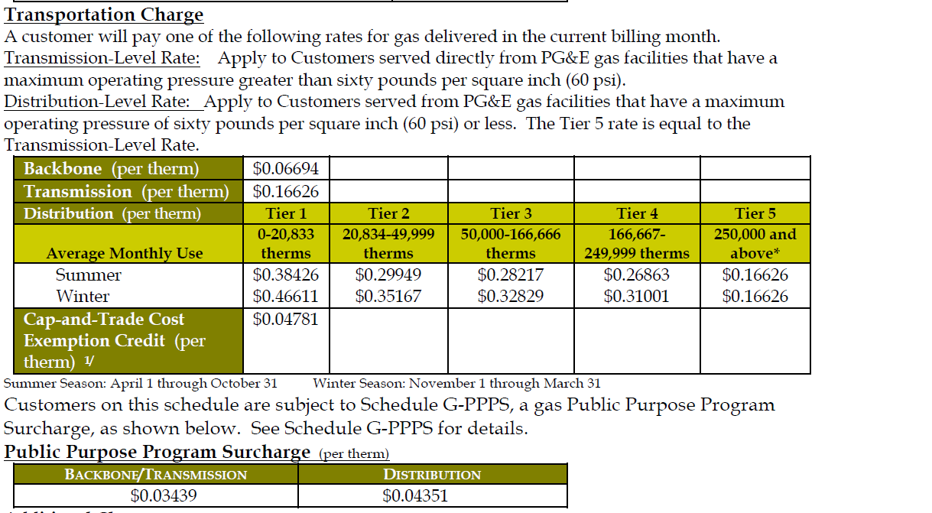

no PPP surcharge listed on electric gen sheet. We understand they are not subject to one.
This shows EOR exempt from PPS
https://www.pge.com/tariffs/GRF1019.pdf

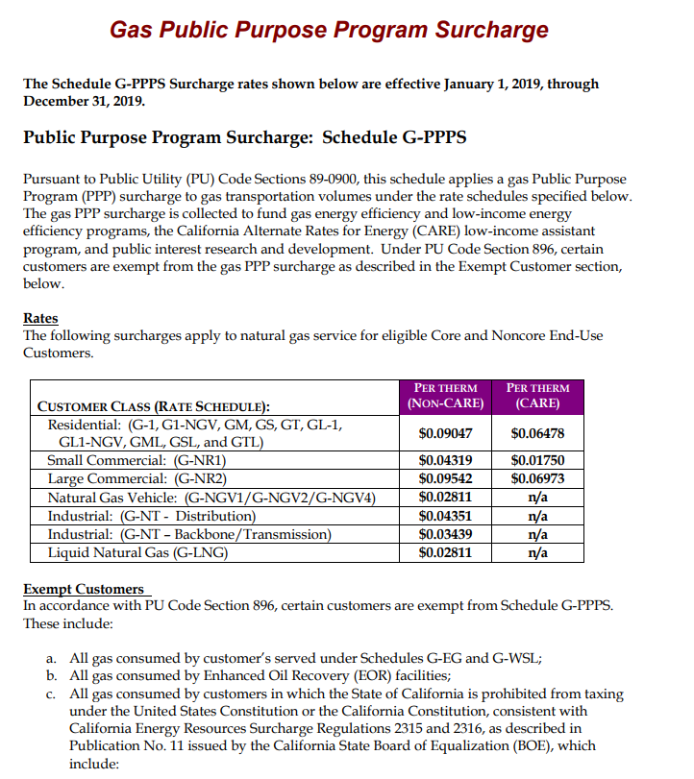

Customers may pay a franchise fee surcharge for gas volumes transported by PG&E (See Schedule GSUR for details.)

Another source for PG&E rates
https://www.pge.com/tariffs/GRF.SHTML
https://www.pge.com/tariffs/GRF1217.pdf

Efficiency adjustment to Morrow
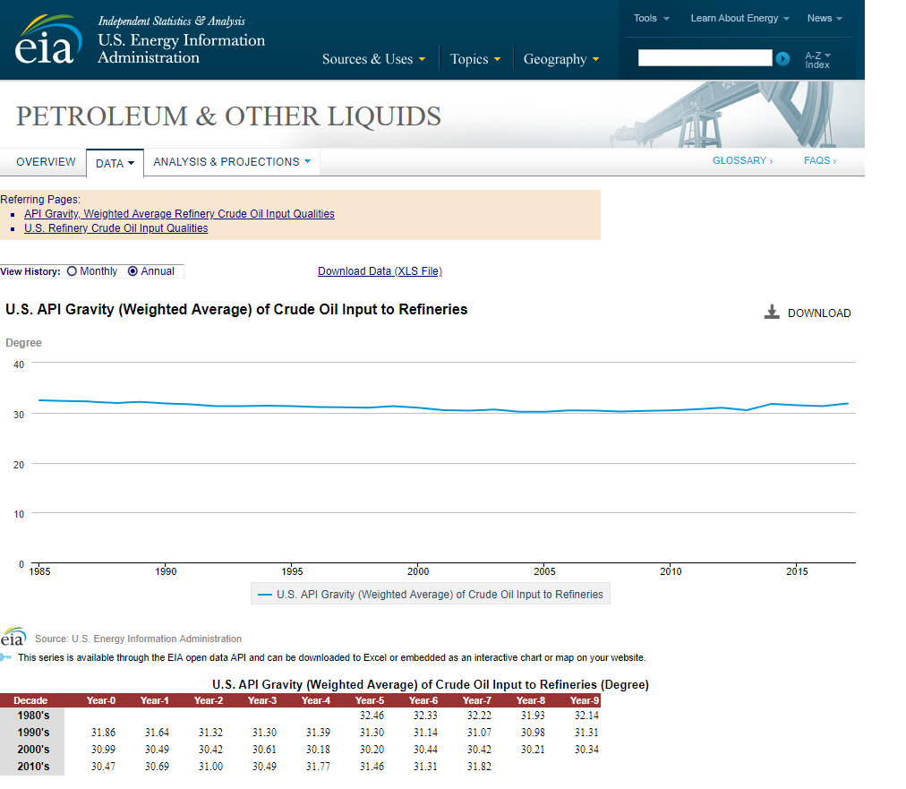
Method
We found a lack of existing data or studies comparing the efficiency of California refineries compared to the rest of the US.
The page "Efficiency background" provides a broader discussion of sources consulted and factors considered.
This page explains and implements the adjustment developed for this study.

Since we are using a study of current potential, we are likely underestimating the full set of emissions reduction options
that will become available over the coming decades.
Nonetheless, lacking a stronger research foundation to anticipate additional option that would be expected to emerge, we use the Morrow et al. data,
and we adjust to reduce the availability of the lowest cost energy efficiency options.

The method involves comparing trends in total energy use at the fuels productions state as identified in the GREET model.
The calculations below compare the change in energy use for 2010 and 2017, using different versions of the GREET model.

Total energy inputs for fuel production stage.
 | 2010 from Greet 1.7 | 2017 from Greet 3.0 | Change
California gasoline | 1118.2832207 | 1016.7653497 | 0.090780107521
Conventional US gasoline | 889.75519611 | 1011.2911404 | -0.13659481259

 |  |  | 0.22737492011 | total difference
This quantitative result is applied to the Morrow et al cost abatement supply curve. The lowest cost options up to an equivalent fraction (i.e 22.7%) are assumed to have already been implemented.
They are removed from the available supply considered potentially cost-effective, a sum of 1519 PJ of annual reductions up to an avoided cost of energy equal to 8.1 $/GJ.
The upshot is a reduction in the lowest cost abatement equivalent to 345 PJ of energy savings, and removal of options with cost of conserved carbon equal to $48.9 per ton of CO2e (unadjusted) and $54.8 with the California cost adjustment.

In order to establish a price for emission reduction measures, must set an upper limit of what the policy levers will capture. Then, the available supply curve is used to find an
average price per ton reduced. This serves to ensure that price is not underestimated as the most expensive tons are factored in to the average price.
If fewer than max possible tons are targeted through policy, actual price will turn out to be lower.
This maximum level is set at $11.05 for the cost of conserved fuel (used in the Morrow et al paper), which works out to 255.9 $/ton of CO2 after adjustments.

Discussion
We invite suggestions for alternative approaches and are concerned that GREET methods have changes over the years, which would be a cofounding factor for the approach currently adopted.

The approach makes a simplification in equating California (US) gasoline with the output of California (outside of California) refineries
California gasoline is almost entirely supplied by refineries within the state.
(Shown, for example, at slide 44 of http://www.turnermason.com/wp-content/uploads/2016/01/Final-OPIS-LCFS-Presentation-FOR-PRINT.pdf)
However, refineries produce a multitude of products, and California refineries produce some of what would be considered conventional US gasoline for export elsewhere.

Evaluation of the quality of crude inputs, via the API values, across US and California, indicates these have been relatively stable over the years.
Thus, it appears this possibly confounding factor is not hugely problematic.

Stable API for California refineries evident in this presentation
http://www.coqa-inc.org/docs/default-source/long-beach-2017/100517-eggers-california-crude-trends.pdf?sfvrsn=13245bb_2

API for US refineries also relatively stable, increasing from 30.47 - 31.82 over 2010 - 2017.

Morrow et al supply curve
About: |  | Table 5 from Morrow et al. (2015) provides total fuel and electricity use of U.S. refineries
 |  | Reference year: | 2010 |  |  |  | Converted to BTU:
 |  |  | Crude input | Fuel | Electricity |  | Fuel
 |  |  | million bbl | PJ primary | GWh end-use |  | BTU primary
 |  | U.S. refineries | 5540 | 2811 | 30848 |  | 2.664313587E+15

About: |  | Table 6 from Morrow et al. (2015) provides cumulative savings for fuel and electricity at different cost cutoff points
 |  |  |  |  |  | Calculated % of total consumption: |  |  | Converted to BTU:
 |  | Label | Natural gas price | Fuel savings | Electricity savings | Fuel savings | Electricity savings |  | Natural gas price | Fuel savings
 |  |  | $/GJ | PJ primary | GWh end-use | % energy | % energy |  | $/BTU | BTU primary
 |  | Cost effective | ≤3.3 | 618 | 958 | 22.0% | 3.1% |  | ≤3.48E-6 | 585750906000000
 |  | Potentially cost effective | >3.3, ≤8.1 | 899 | -306 | 32.0% | -1.0% |  | >3.48E-6, ≤8.55E-6 | 852087483000000
 |  | Technical but not cost effective | >8.1 | 458 | 2750 | 16.3% | 8.9% |  | >8.55E-6 | 434100186000000
 |  | Total |  | 1976 | 3403 | 70.3% | 11.0% |  |  | 1.872886392E+15

Note that breakdown of measures is not provided in paper but LBNL report indicates is a combination of efficiency, fuel switching and process integration

*The data given for the variable "cost of conserved fuel"(Cell H54) gives information about intsalled cost of measures at different price points on the supply curve.

 |  | Morrow et al. (2015) provides these descriptive statistics:
 |  |  |  | Fuel (natural gas) | Electricity (US grid) |  |  | 0.053588348 | g/btu
 |  |  |  | million t CO2/PJ | million t CO2/TWh |  |  | 18.660773047 | btu/g
 |  | Assumed CO2 emissions rates for 2010 |  | 0.0561 | 0.568 |  |  | 18660773.047 | Btu/Ton of CO2

 |  | Efficiency improvement and CO2 emission reduction potentials in the United States petroleum refining industry
 |  | (Morrow et al., 2015)
 |  | Fig. 5 from paper:
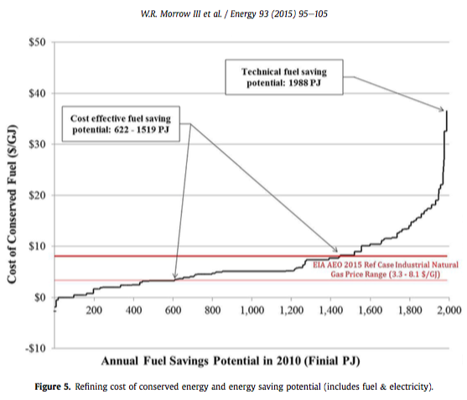

About: |  | US Refinery Report Measures_5-10-2018
 |  | This table lists all measures broken down by refinery module. We repackage this data on a separate tab in order to estimate energy savings for different types of measures.
 |  |  |  |  |  |  |  |  | Converted to BTU: |  |  | 2010 $s
Unit |  | Energy-Efficiency Measures / Technologies | Assumed Current Unit Penetration Rate (%) | Fuel Savings (PJ) | Electricity Savings (GWh) | Combined Fuel and Electricity Savings (PJ) * | Cost of Conserved Fuel (US$/GJ-saved) |  | Fuel Savings (BTU) |  | Combined Fuel and Electricity Savings (BTU) * | Cost of Conserved Fuel (US$/BTU-saved) | adjust to 2012$s | Adjust for California cost | unadjusted cost of carbon dioxide reductions | adjusted cost of CO2 reductions
CDU |  | Reduce Stand-By Boiler Requirements | 50% | 3.3 | 0.0 | 3.3 | -$1.90 |  | 3.126394039E+12 |  | 3.126394039E+12 | -1.999992392E-06 | -2.0999920116E-06 | -2.3527572663E-06 | -39.187474329 | -43.904269381
CTU |  | Reduce Stand-By Boiler Requirements | 50% | 1.2 | 0.0 | 1.2 | -$1.90 |  | 1.1260443917E+12 |  | 1.1260443917E+12 | -1.999992392E-06 | -2.0999920116E-06 | -2.3527572663E-06 | -39.187474329 | -43.904269381
HCU |  | Reduce Stand-By Boiler Requirements | 50% | 0.9 | 0.0 | 0.9 | -$1.90 |  | 8.770743983E+11 |  | 8.770743983E+11 | -1.999992392E-06 | -2.0999920116E-06 | -2.3527572663E-06 | -39.187474329 | -43.904269381
DTU |  | Reduce Stand-By Boiler Requirements | 50% | 0.6 | 0.0 | 0.6 | -$1.90 |  | 5.5853485734E+11 |  | 5.5853485734E+11 | -1.999992392E-06 | -2.0999920116E-06 | -2.3527572663E-06 | -39.187474329 | -43.904269381
CRU |  | Reduce Stand-By Boiler Requirements | 50% | 0.6 | 0.0 | 0.6 | -$1.90 |  | 5.3926375803E+11 |  | 5.3926375803E+11 | -1.999992392E-06 | -2.0999920116E-06 | -2.3527572663E-06 | -39.187474329 | -43.904269381
CKU |  | Reduce Stand-By Boiler Requirements | 50% | 0.4 | 0.0 | 0.4 | -$1.90 |  | 3.5123823076E+11 |  | 3.5123823076E+11 | -1.999992392E-06 | -2.0999920116E-06 | -2.3527572663E-06 | -39.187474329 | -43.904269381
NTU |  | Reduce Stand-By Boiler Requirements | 50% | 0.2 | 0.0 | 0.2 | -$1.90 |  | 2.1221871239E+11 |  | 2.1221871239E+11 | -1.999992392E-06 | -2.0999920116E-06 | -2.3527572663E-06 | -39.187474329 | -43.904269381
KTU |  | Reduce Stand-By Boiler Requirements | 50% | 0.2 | 0.0 | 0.2 | -$1.90 |  | 2.2964888378E+11 |  | 2.2964888378E+11 | -1.999992392E-06 | -2.0999920116E-06 | -2.3527572663E-06 | -39.187474329 | -43.904269381
AKU |  | Reduce Stand-By Boiler Requirements | 50% | 0.2 | 0.0 | 0.2 | -$1.90 |  | 2.1225382714E+11 |  | 2.1225382714E+11 | -1.999992392E-06 | -2.0999920116E-06 | -2.3527572663E-06 | -39.187474329 | -43.904269381
GTU |  | Reduce Stand-By Boiler Requirements | 50% | 0.3 | 0.0 | 0.3 | -$1.90 |  | 2.8998304298E+11 |  | 2.8998304298E+11 | -1.999992392E-06 | -2.0999920116E-06 | -2.3527572663E-06 | -39.187474329 | -43.904269381
ISU |  | Reduce Stand-By Boiler Requirements | 50% | 0.1 | 0.0 | 0.1 | -$1.90 |  | 59273205143 |  | 59273205143 | -1.999992392E-06 | -2.0999920116E-06 | -2.3527572663E-06 | -39.187474329 | -43.904269381
CDU |  | Recover Blowdown Steam | 50% | 3.6 | 0.0 | 3.6 | -$0.47 |  | 3.4012418666E+12 |  | 3.4012418666E+12 | -4.99998098E-07 | -5.249980029E-07 | -5.8818931657E-07 | -9.7968685823 | -10.976067345
CTU |  | Recover Blowdown Steam | 50% | 1.3 | 0.0 | 1.3 | -$0.47 |  | 1.2250373052E+12 |  | 1.2250373052E+12 | -4.99998098E-07 | -5.249980029E-07 | -5.8818931657E-07 | -9.7968685823 | -10.976067345
HCU |  | Recover Blowdown Steam | 50% | 1.0 | 0.0 | 1.0 | -$0.47 |  | 9.5417983991E+11 |  | 9.5417983991E+11 | -4.99998098E-07 | -5.249980029E-07 | -5.8818931657E-07 | -9.7968685823 | -10.976067345
DTU |  | Recover Blowdown Steam | 50% | 0.6 | 0.0 | 0.6 | -$0.47 |  | 6.0763682282E+11 |  | 6.0763682282E+11 | -4.99998098E-07 | -5.249980029E-07 | -5.8818931657E-07 | -9.7968685823 | -10.976067345
CRU |  | Recover Blowdown Steam | 50% | 0.6 | 0.0 | 0.6 | -$0.47 |  | 5.8667156093E+11 |  | 5.8667156093E+11 | -4.99998098E-07 | -5.249980029E-07 | -5.8818931657E-07 | -9.7968685823 | -10.976067345
CKU |  | Recover Blowdown Steam | 50% | 0.4 | 0.0 | 0.4 | -$0.47 |  | 3.8211631698E+11 |  | 3.8211631698E+11 | -4.99998098E-07 | -5.249980029E-07 | -5.8818931657E-07 | -9.7968685823 | -10.976067345
NTU |  | Recover Blowdown Steam | 50% | 0.2 | 0.0 | 0.2 | -$0.47 |  | 2.3087530249E+11 |  | 2.3087530249E+11 | -4.99998098E-07 | -5.249980029E-07 | -5.8818931657E-07 | -9.7968685823 | -10.976067345
KTU |  | Recover Blowdown Steam | 50% | 0.3 | 0.0 | 0.3 | -$0.47 |  | 2.4983779664E+11 |  | 2.4983779664E+11 | -4.99998098E-07 | -5.249980029E-07 | -5.8818931657E-07 | -9.7968685823 | -10.976067345
AKU |  | Recover Blowdown Steam | 50% | 0.2 | 0.0 | 0.2 | -$0.47 |  | 2.3091350425E+11 |  | 2.3091350425E+11 | -4.99998098E-07 | -5.249980029E-07 | -5.8818931657E-07 | -9.7968685823 | -10.976067345
GTU |  | Recover Blowdown Steam | 50% | 0.3 | 0.0 | 0.3 | -$0.47 |  | 3.1547605775E+11 |  | 3.1547605775E+11 | -4.99998098E-07 | -5.249980029E-07 | -5.8818931657E-07 | -9.7968685823 | -10.976067345
CCU |  | Recover Blowdown Steam | 50% | 0.4 | 0.0 | 0.4 | -$0.47 |  | 3.8024642402E+11 |  | 3.8024642402E+11 | -4.99998098E-07 | -5.249980029E-07 | -5.8818931657E-07 | -9.7968685823 | -10.976067345
ISU |  | Recover Blowdown Steam | 50% | 0.1 | 0.0 | 0.1 | -$0.47 |  | 64484036364 |  | 64484036364 | -4.99998098E-07 | -5.249980029E-07 | -5.8818931657E-07 | -9.7968685823 | -10.976067345
HCU |  | Install PSA to recover high-purity H2 | 80% | 20.2 | 14.2 | 20.2 | $0.00 |  | 1.9101691457E+13 |  | 1.9150140996E+13 | 0 | 0 | 0 | 0 | 0
CTU |  | Install PSA to recover high-purity H2 | 80% | 16.1 | 11.3 | 16.1 | $0.00 |  | 1.5224950634E+13 |  | 1.5263567206E+13 | 0 | 0 | 0 | 0 | 0
DTU |  | Install PSA to recover high-purity H2 | 80% | 9.1 | 6.4 | 9.1 | $0.00 |  | 8.6263408558E+12 |  | 8.6482207106E+12 | 0 | 0 | 0 | 0 | 0
HCU |  | Install SMR Waste Heat Boiler | 90% | 7.8 | 0.0 | 7.8 | $0.00 |  | 7.3708095156E+12 |  | 7.3708095156E+12 | 0 | 0 | 0 | 0 | 0
CTU |  | Install SMR Waste Heat Boiler | 90% | 6.2 | 0.0 | 6.2 | $0.00 |  | 5.87488345E+12 |  | 5.87488345E+12 | 0 | 0 | 0 | 0 | 0
DTU |  | Install SMR Waste Heat Boiler | 90% | 3.5 | 0.0 | 3.5 | $0.00 |  | 3.3286641347E+12 |  | 3.3286641347E+12 | 0 | 0 | 0 | 0 | 0
CTU |  | Install SRU Waste Heat Boiler | 90% | 2.6 | 0.0 | 2.6 | $0.00 |  | 2.4990241334E+12 |  | 2.4990241334E+12 | 0 | 0 | 0 | 0 | 0
CRU |  | Reduce hot rundown | 90% | 1.9 | 0.0 | 1.9 | $0.00 |  | 1.8315433872E+12 |  | 1.8315433872E+12 | 0 | 0 | 0 | 0 | 0
GTU |  | Install SMR Waste Heat Boiler | 90% | 3.1 | 0.0 | 3.1 | $0.00 |  | 2.9752498392E+12 |  | 2.9752498392E+12 | 0 | 0 | 0 | 0 | 0
HCU |  | Install SRU Waste Heat Boiler | 90% | 1.3 | 0.0 | 1.3 | $0.00 |  | 1.2735636376E+12 |  | 1.2735636376E+12 | 0 | 0 | 0 | 0 | 0
CKU |  | Install SRU Waste Heat Boiler | 90% | 1.3 | 0.0 | 1.3 | $0.00 |  | 1.2556470689E+12 |  | 1.2556470689E+12 | 0 | 0 | 0 | 0 | 0
CDU |  | Replace Naphtha Stripping w/Splitter | 90% | 1.2 | 0.0 | 1.2 | $0.00 |  | 1.1021461425E+12 |  | 1.1021461425E+12 | 0 | 0 | 0 | 0 | 0
NTU |  | Install SMR Waste Heat Boiler | 90% | 1.0 | 0.0 | 1.0 | $0.00 |  | 9.5329990034E+11 |  | 9.5329990034E+11 | 0 | 0 | 0 | 0 | 0
DTU |  | Install SRU Waste Heat Boiler | 90% | 0.7 | 0.0 | 0.7 | $0.00 |  | 6.8685776541E+11 |  | 6.8685776541E+11 | 0 | 0 | 0 | 0 | 0
CDU |  | Reduce hot rundown bet ACU & VCU | 90% | 0.8 | 6.6 | 0.8 | $0.00 |  | 7.1311500688E+11 |  | 7.3569221379E+11 | 0 | 0 | 0 | 0 | 0
CCU |  | Install SRU Waste Heat Boiler | 90% | 1.0 | 0.0 | 1.0 | $0.00 |  | 9.6411482207E+11 |  | 9.6411482207E+11 | 0 | 0 | 0 | 0 | 0
KTU |  | Install SMR Waste Heat Boiler | 90% | 0.5 | 0.0 | 0.5 | $0.00 |  | 4.6327732541E+11 |  | 4.6327732541E+11 | 0 | 0 | 0 | 0 | 0
KTU |  | Install SRU Waste Heat Boiler | 90% | 0.6 | 0.0 | 0.6 | $0.00 |  | 5.2888408547E+11 |  | 5.2888408547E+11 | 0 | 0 | 0 | 0 | 0
ISU |  | Install SMR Waste Heat Boiler | 90% | 0.3 | 0.0 | 0.3 | $0.00 |  | 2.6523448077E+11 |  | 2.6523448077E+11 | 0 | 0 | 0 | 0 | 0
NTU |  | Install SRU Waste Heat Boiler | 90% | 0.2 | 0.0 | 0.2 | $0.00 |  | 1.5327042195E+11 |  | 1.5327042195E+11 | 0 | 0 | 0 | 0 | 0
GTU |  | Install SRU Waste Heat Boiler | 90% | 0.0 | 0.0 | 0.0 | $0.00 |  | 21390949722 |  | 21390949722 | 0 | 0 | 0 | 0 | 0
CDU |  | Reduce Boiler Blowdown/Water Treatment | 50% | 25.6 | 0.0 | 25.6 | $0.47 |  | 2.4290992911E+13 |  | 2.4290992911E+13 | 4.99998098E-07 | 5.249980029E-07 | 5.8818931657E-07 | 9.7968685823 | 10.976067345
CTU |  | Reduce Boiler Blowdown/Water Treatment | 50% | 8.8 | 0.0 | 8.8 | $0.47 |  | 8.3134315233E+12 |  | 8.3134315233E+12 | 4.99998098E-07 | 5.249980029E-07 | 5.8818931657E-07 | 9.7968685823 | 10.976067345
HCU |  | Reduce Boiler Blowdown/Water Treatment | 50% | 6.5 | 0.0 | 6.5 | $0.47 |  | 6.1918167592E+12 |  | 6.1918167592E+12 | 4.99998098E-07 | 5.249980029E-07 | 5.8818931657E-07 | 9.7968685823 | 10.976067345
CRU |  | Reduce Boiler Blowdown/Water Treatment | 50% | 4.5 | 0.0 | 4.5 | $0.47 |  | 4.2667022613E+12 |  | 4.2667022613E+12 | 4.99998098E-07 | 5.249980029E-07 | 5.8818931657E-07 | 9.7968685823 | 10.976067345
DTU |  | Reduce Boiler Blowdown/Water Treatment | 50% | 4.3 | 0.0 | 4.3 | $0.47 |  | 4.0815271078E+12 |  | 4.0815271078E+12 | 4.99998098E-07 | 5.249980029E-07 | 5.8818931657E-07 | 9.7968685823 | 10.976067345
CKU |  | Reduce Boiler Blowdown/Water Treatment | 50% | 2.9 | 0.0 | 2.9 | $0.47 |  | 2.7790277599E+12 |  | 2.7790277599E+12 | 4.99998098E-07 | 5.249980029E-07 | 5.8818931657E-07 | 9.7968685823 | 10.976067345
NTU |  | Reduce Boiler Blowdown/Water Treatment | 50% | 1.8 | 0.0 | 1.8 | $0.47 |  | 1.679093109E+12 |  | 1.679093109E+12 | 4.99998098E-07 | 5.249980029E-07 | 5.8818931657E-07 | 9.7968685823 | 10.976067345
KTU |  | Reduce Boiler Blowdown/Water Treatment | 50% | 1.9 | 0.0 | 1.9 | $0.47 |  | 1.8170021574E+12 |  | 1.8170021574E+12 | 4.99998098E-07 | 5.249980029E-07 | 5.8818931657E-07 | 9.7968685823 | 10.976067345
AKU |  | Reduce Boiler Blowdown/Water Treatment | 50% | 1.8 | 0.0 | 1.8 | $0.47 |  | 1.67937094E+12 |  | 1.67937094E+12 | 4.99998098E-07 | 5.249980029E-07 | 5.8818931657E-07 | 9.7968685823 | 10.976067345
GTU |  | Reduce Boiler Blowdown/Water Treatment | 50% | 2.4 | 0.0 | 2.4 | $0.47 |  | 2.2943713291E+12 |  | 2.2943713291E+12 | 4.99998098E-07 | 5.249980029E-07 | 5.8818931657E-07 | 9.7968685823 | 10.976067345
CCU |  | Reduce Boiler Blowdown/Water Treatment | 50% | 2.9 | 0.0 | 2.9 | $0.47 |  | 2.7654285383E+12 |  | 2.7654285383E+12 | 4.99998098E-07 | 5.249980029E-07 | 5.8818931657E-07 | 9.7968685823 | 10.976067345
ISU |  | Reduce Boiler Blowdown/Water Treatment | 50% | 0.5 | 0.0 | 0.5 | $0.47 |  | 4.6897480992E+11 |  | 4.6897480992E+11 | 4.99998098E-07 | 5.249980029E-07 | 5.8818931657E-07 | 9.7968685823 | 10.976067345
CDU |  | Add Recycle & ST Ejector | 20% | 35.6 | 0.0 | 35.6 | $0.75 |  | 3.3774909513E+13 |  | 3.3774909513E+13 | 7.9104598384E-07 | 8.3059828304E-07 | 9.3057313313E-07 | 15.499606053 | 17.365214041
CDU |  | Reduce Background Flaring | 20% | 0.0 | 0.0 | 0.0 | $0.82 |  | 18995024530 |  | 18995024530 | 8.6195246931E-07 | 9.0505009277E-07 | 1.0139863249E-06 | 16.888934377 | 18.921768682
CCU |  | Reduce Background Flaring | 20% | 0.0 | 0.0 | 0.0 | $0.86 |  | 5969864852.3 |  | 5969864852.3 | 9.098387176E-07 | 9.5533065348E-07 | 1.0703188985E-06 | 17.82720851 | 19.972978053
NTU |  | Reduce Background Flaring | 20% | 0.0 | 0.0 | 0.0 | $0.86 |  | 4884434879.2 |  | 4884434879.2 | 9.098387176E-07 | 9.5533065348E-07 | 1.0703188985E-06 | 17.82720851 | 19.972978053
CTU |  | Reduce Background Flaring | 20% | 0.0 | 0.0 | 0.0 | $0.86 |  | 4341719892.6 |  | 4341719892.6 | 9.098387176E-07 | 9.5533065348E-07 | 1.0703188985E-06 | 17.82720851 | 19.972978053
DTU |  | Reduce Background Flaring | 20% | 0.0 | 0.0 | 0.0 | $0.86 |  | 3799004906 |  | 3799004906 | 9.098387176E-07 | 9.5533065348E-07 | 1.0703188985E-06 | 17.82720851 | 19.972978053
CRU |  | Reduce Background Flaring | 20% | 0.0 | 0.0 | 0.0 | $0.86 |  | 3799004906 |  | 3799004906 | 9.098387176E-07 | 9.5533065348E-07 | 1.0703188985E-06 | 17.82720851 | 19.972978053
CKU |  | Reduce Background Flaring | 20% | 0.0 | 0.0 | 0.0 | $0.86 |  | 2713574932.9 |  | 2713574932.9 | 9.098387176E-07 | 9.5533065348E-07 | 1.0703188985E-06 | 17.82720851 | 19.972978053
GTU |  | Reduce Background Flaring | 20% | 0.0 | 0.0 | 0.0 | $0.86 |  | 2713574932.9 |  | 2713574932.9 | 9.098387176E-07 | 9.5533065348E-07 | 1.0703188985E-06 | 17.82720851 | 19.972978053
KTU |  | Reduce Background Flaring | 20% | 0.0 | 0.0 | 0.0 | $0.86 |  | 2170859946.3 |  | 2170859946.3 | 9.098387176E-07 | 9.5533065348E-07 | 1.0703188985E-06 | 17.82720851 | 19.972978053
HCU |  | Reduce Background Flaring | 20% | 0.0 | 0.0 | 0.0 | $0.86 |  | 1628144959.7 |  | 1628144959.7 | 9.098387176E-07 | 9.5533065348E-07 | 1.0703188985E-06 | 17.82720851 | 19.972978053
AKU |  | Reduce Background Flaring | 20% | 0.0 | 0.0 | 0.0 | $0.86 |  | 1085429973.2 |  | 1085429973.1 | 9.098387176E-07 | 9.5533065348E-07 | 1.0703188985E-06 | 17.82720851 | 19.972978053
ISU |  | Reduce Background Flaring | 20% | 0.0 | 0.0 | 0.0 | $0.86 |  | 542714986.57 |  | 542714986.57 | 9.098387176E-07 | 9.5533065348E-07 | 1.0703188985E-06 | 17.82720851 | 19.972978053
HCU |  | Improve WGS catalysts to reduce steam consumption | 30% | 5.5 | 0.0 | 5.5 | $1.65 |  | 5.2587890967E+12 |  | 5.2587890967E+12 | 1.7458034148E-06 | 1.8330935855E-06 | 2.0537336472E-06 | 34.206943374 | 38.32425749
HCU |  | Improve SMR catalysts to reduce steam consumption | 30% | 5.5 | 0.0 | 5.5 | $1.65 |  | 5.2587890967E+12 |  | 5.2587890967E+12 | 1.7458034148E-06 | 1.8330935855E-06 | 2.0537336472E-06 | 34.206943374 | 38.32425749
CTU |  | Improve SMR catalysts to reduce steam consumption | 30% | 4.4 | 0.0 | 4.4 | $1.65 |  | 4.1915033845E+12 |  | 4.1915033845E+12 | 1.7458034148E-06 | 1.8330935855E-06 | 2.0537336472E-06 | 34.206943374 | 38.32425749
CTU |  | Improve WGS catalysts to reduce steam consumption | 30% | 4.4 | 0.0 | 4.4 | $1.65 |  | 4.1915033845E+12 |  | 4.1915033845E+12 | 1.7458034148E-06 | 1.8330935855E-06 | 2.0537336472E-06 | 34.206943374 | 38.32425749
DTU |  | Improve SMR catalysts to reduce steam consumption | 30% | 2.5 | 0.0 | 2.5 | $1.65 |  | 2.3748738345E+12 |  | 2.3748738345E+12 | 1.7458034148E-06 | 1.8330935855E-06 | 2.0537336472E-06 | 34.206943374 | 38.32425749
DTU |  | Improve WGS catalysts to reduce steam consumption | 30% | 2.5 | 0.0 | 2.5 | $1.65 |  | 2.3748738345E+12 |  | 2.3748738345E+12 | 1.7458034148E-06 | 1.8330935855E-06 | 2.0537336472E-06 | 34.206943374 | 38.32425749
GTU |  | Improve SMR catalysts to reduce steam consumption | 30% | 2.7 | 0.0 | 2.7 | $1.65 |  | 2.6033436093E+12 |  | 2.6033436093E+12 | 1.7458034148E-06 | 1.8330935855E-06 | 2.0537336472E-06 | 34.206943374 | 38.32425749
GTU |  | Improve WGS catalysts to reduce steam consumption | 30% | 2.7 | 0.0 | 2.7 | $1.65 |  | 2.6033436093E+12 |  | 2.6033436093E+12 | 1.7458034148E-06 | 1.8330935855E-06 | 2.0537336472E-06 | 34.206943374 | 38.32425749
NTU |  | Improve SMR catalysts to reduce steam consumption | 30% | 0.9 | 0.0 | 0.9 | $1.65 |  | 8.341374128E+11 |  | 8.341374128E+11 | 1.7458034148E-06 | 1.8330935855E-06 | 2.0537336472E-06 | 34.206943374 | 38.32425749
NTU |  | Improve WGS catalysts to reduce steam consumption | 30% | 0.9 | 0.0 | 0.9 | $1.65 |  | 8.341374128E+11 |  | 8.341374128E+11 | 1.7458034148E-06 | 1.8330935855E-06 | 2.0537336472E-06 | 34.206943374 | 38.32425749
KTU |  | Improve SMR catalysts to reduce steam consumption | 30% | 0.4 | 0.0 | 0.4 | $1.65 |  | 4.0536765974E+11 |  | 4.0536765974E+11 | 1.7458034148E-06 | 1.8330935855E-06 | 2.0537336472E-06 | 34.206943374 | 38.32425749
KTU |  | Improve WGS catalysts to reduce steam consumption | 30% | 0.4 | 0.0 | 0.4 | $1.65 |  | 4.0536765974E+11 |  | 4.0536765974E+11 | 1.7458034148E-06 | 1.8330935855E-06 | 2.0537336472E-06 | 34.206943374 | 38.32425749
ISU |  | Improve WGS catalysts to reduce steam consumption | 30% | 0.2 | 0.0 | 0.2 | $1.65 |  | 2.3208017067E+11 |  | 2.3208017067E+11 | 1.7458034148E-06 | 1.8330935855E-06 | 2.0537336472E-06 | 34.206943374 | 38.32425749
ISU |  | Improve SMR catalysts to reduce steam consumption | 30% | 0.2 | 0.0 | 0.2 | $1.65 |  | 2.3208017067E+11 |  | 2.3208017067E+11 | 1.7458034148E-06 | 1.8330935855E-06 | 2.0537336472E-06 | 34.206943374 | 38.32425749
CDU |  | Integrate GPU w/ISBL Units | 80% | 11.5 | 33.3 | 11.6 | $1.87 |  | 1.0857233462E+13 |  | 1.0970737715E+13 | 1.9684778945E-06 | 2.0669017892E-06 | 2.3156841438E-06 | 38.5699852 | 43.212456256
CCU |  | Integrate GPU w/ISBL Units | 80% | 63.8 | 138.8 | 64.3 | $1.97 |  | 6.0435328519E+13 |  | 6.0908926192E+13 | 2.0778377775E-06 | 2.1817296664E-06 | 2.4443332629E-06 | 40.712762155 | 45.61314827
CRU |  | Integrate GPU w/ISBL Units | 80% | 8.0 | 23.2 | 8.1 | $1.97 |  | 7.5758015217E+12 |  | 7.6550008592E+12 | 2.0778377775E-06 | 2.1817296664E-06 | 2.4443332629E-06 | 40.712762155 | 45.61314827
HCU |  | Integrate GPU w/ISBL Units | 80% | 6.8 | 19.7 | 6.9 | $1.97 |  | 6.4326462098E+12 |  | 6.4998947138E+12 | 2.0778377775E-06 | 2.1817296664E-06 | 2.4443332629E-06 | 40.712762155 | 45.61314827
CKU |  | Integrate GPU w/ISBL Units | 80% | 6.6 | 16.0 | 6.6 | $1.97 |  | 6.2236441096E+12 |  | 6.2781964091E+12 | 2.0778377775E-06 | 2.1817296664E-06 | 2.4443332629E-06 | 40.712762155 | 45.61314827
ISU |  | Integrate GPU w/ISBL Units | 80% | 1.4 | 4.0 | 1.4 | $1.97 |  | 1.3043903326E+12 |  | 1.3180267577E+12 | 2.0778377775E-06 | 2.1817296664E-06 | 2.4443332629E-06 | 40.712762155 | 45.61314827
DTU |  | Integrate GPU w/ISBL Units | 80% | 0.8 | 2.3 | 0.8 | $1.97 |  | 7.5849761248E+11 |  | 7.664271376E+11 | 2.0778377775E-06 | 2.1817296664E-06 | 2.4443332629E-06 | 40.712762155 | 45.61314827
NTU |  | Integrate GPU w/ISBL Units | 80% | 0.6 | 1.6 | 0.6 | $1.97 |  | 5.3587735873E+11 |  | 5.4147955563E+11 | 2.0778377775E-06 | 2.1817296664E-06 | 2.4443332629E-06 | 40.712762155 | 45.61314827
CTU |  | Integrate GPU w/ISBL Units | 80% | 0.6 | 1.8 | 0.6 | $1.97 |  | 5.7755362233E+11 |  | 5.8359151339E+11 | 2.0778377775E-06 | 2.1817296664E-06 | 2.4443332629E-06 | 40.712762155 | 45.61314827
GTU |  | Integrate GPU w/ISBL Units | 80% | 0.9 | 2.6 | 0.9 | $1.97 |  | 8.3588154779E+11 |  | 8.4462006406E+11 | 2.0778377775E-06 | 2.1817296664E-06 | 2.4443332629E-06 | 40.712762155 | 45.61314827
KTU |  | Integrate GPU w/ISBL Units | 80% | 0.1 | 0.3 | 0.1 | $1.97 |  | 95273782311 |  | 96269798432 | 2.0778377775E-06 | 2.1817296664E-06 | 2.4443332629E-06 | 40.712762155 | 45.61314827
CDU |  | Improved Maintenance/Steam Lines & Traps | 50% | 2.7 | 0.0 | 2.7 | $1.97 |  | 2.5777851103E+12 |  | 2.5777851103E+12 | 2.0821965074E-06 | 2.1863063328E-06 | 2.4494607991E-06 | 40.798166288 | 45.70883206
AKU |  | Improved Maintenance/Steam Lines & Traps | 50% | 0.2 | 0.0 | 0.2 | $2.08 |  | 1.9295802467E+11 |  | 1.9295802467E+11 | 2.1978740912E-06 | 2.3077677957E-06 | 2.5855419546E-06 | 43.064731082 | 48.248211619
CTU |  | Integrate AGR w/ISBL Units | 80% | 9.9 | 20.2 | 10.0 | $2.36 | 344.5 PJ cumulative | 9.4173925842E+12 |  | 9.4861726558E+12 | 2.493405333E-06 | 2.6180755997E-06 | 2.9331999155E-06 | 48.855314586 | 54.735777924
CKU |  | Integrate AGR w/ISBL Units | 80% | 5.2 | 10.5 | 5.2 | $2.36 |  | 4.8827108558E+12 |  | 4.9183718096E+12 | 2.493405333E-06 | 2.6180755997E-06 | 2.9331999155E-06 | 48.855314586 | 54.735777924
HCU |  | Integrate AGR w/ISBL Units | 80% | 5.1 | 10.3 | 5.1 | $2.36 |  | 4.7993329058E+12 |  | 4.8343849075E+12 | 2.493405333E-06 | 2.6180755997E-06 | 2.9331999155E-06 | 48.855314586 | 54.735777924
DTU |  | Integrate AGR w/ISBL Units | 80% | 2.7 | 5.5 | 2.8 | $2.36 |  | 2.5883740537E+12 |  | 2.6072782834E+12 | 2.493405333E-06 | 2.6180755997E-06 | 2.9331999155E-06 | 48.855314586 | 54.735777924
CCU |  | Integrate AGR w/ISBL Units | 80% | 3.8 | 7.8 | 3.9 | $2.36 |  | 3.6331973166E+12 |  | 3.6597324291E+12 | 2.493405333E-06 | 2.6180755997E-06 | 2.9331999155E-06 | 48.855314586 | 54.735777924
KTU |  | Integrate AGR w/ISBL Units | 80% | 2.1 | 4.3 | 2.1 | $2.36 |  | 1.9930616106E+12 |  | 2.0076179668E+12 | 2.493405333E-06 | 2.6180755997E-06 | 2.9331999155E-06 | 48.855314586 | 54.735777924
NTU |  | Integrate AGR w/ISBL Units | 80% | 0.6 | 1.2 | 0.6 | $2.36 |  | 5.7758855378E+11 |  | 5.8180698067E+11 | 2.493405333E-06 | 2.6180755997E-06 | 2.9331999155E-06 | 48.855314586 | 54.735777924
GTU |  | Integrate AGR w/ISBL Units | 80% | 0.1 | 0.2 | 0.1 | $2.36 |  | 80610254454 |  | 81198992687 | 2.493405333E-06 | 2.6180755997E-06 | 2.9331999155E-06 | 48.855314586 | 54.735777924
CTU |  | Increase AGR Solvent Concentration | 50% | 9.3 | 20.8 | 9.4 | $2.37 |  | 8.8184064835E+12 |  | 8.889289134E+12 | 2.49999049E-06 | 2.6249900145E-06 | 2.9409465829E-06 | 48.984342911 | 54.880336726
CKU |  | Increase AGR Solvent Concentration | 50% | 4.8 | 10.8 | 4.9 | $2.37 |  | 4.5721497413E+12 |  | 4.608900836E+12 | 2.49999049E-06 | 2.6249900145E-06 | 2.9409465829E-06 | 48.984342911 | 54.880336726
HCU |  | Increase AGR Solvent Concentration | 50% | 4.7 | 10.6 | 4.8 | $2.37 |  | 4.4940749825E+12 |  | 4.5301985096E+12 | 2.49999049E-06 | 2.6249900145E-06 | 2.9409465829E-06 | 48.984342911 | 54.880336726
DTU |  | Increase AGR Solvent Concentration | 50% | 2.6 | 5.7 | 2.6 | $2.37 |  | 2.4237424884E+12 |  | 2.4432246128E+12 | 2.49999049E-06 | 2.6249900145E-06 | 2.9409465829E-06 | 48.984342911 | 54.880336726
CCU |  | Increase AGR Solvent Concentration | 50% | 3.6 | 8.0 | 3.6 | $2.37 |  | 3.4021105615E+12 |  | 3.4294568416E+12 | 2.49999049E-06 | 2.6249900145E-06 | 2.9409465829E-06 | 48.984342911 | 54.880336726
KTU |  | Increase AGR Solvent Concentration | 50% | 2.0 | 4.4 | 2.0 | $2.37 |  | 1.8662944411E+12 |  | 1.8812957791E+12 | 2.49999049E-06 | 2.6249900145E-06 | 2.9409465829E-06 | 48.984342911 | 54.880336726
NTU |  | Increase AGR Solvent Concentration | 50% | 0.6 | 1.3 | 0.6 | $2.37 |  | 5.4085147262E+11 |  | 5.4519885511E+11 | 2.49999049E-06 | 2.6249900145E-06 | 2.9409465829E-06 | 48.984342911 | 54.880336726
GTU |  | Increase AGR Solvent Concentration | 50% | 0.1 | 0.2 | 0.1 | $2.37 |  | 75483100460 |  | 76089836183 | 2.49999049E-06 | 2.6249900145E-06 | 2.9409465829E-06 | 48.984342911 | 54.880336726
CDU | Heat | Revamp CDU Heat Integation (low-cost) | 40% | 39.7 | 171.6 | 40.4 | $2.45 |  | 3.7673654721E+13 |  | 3.8259273575E+13 | 2.5869056702E-06 | 2.7162509537E-06 | 3.0431921326E-06 | 50.687342585 | 56.788317726
CRU |  | Improved Maintenance/Steam Lines & Traps | 50% | 0.5 | 0.0 | 0.5 | $2.95 |  | 4.9023978003E+11 |  | 4.9023978003E+11 | 3.1081793467E-06 | 3.263588314E-06 | 3.6564096804E-06 | 60.901080847 | 68.231431214
CTU |  | Integrate SWS w/ISBL Units | 80% | 5.1 | 10.3 | 5.1 | $2.95 |  | 4.8253102013E+12 |  | 4.8605519286E+12 | 3.1167566663E-06 | 3.2725944996E-06 | 3.6664998943E-06 | 61.069143233 | 68.419722406
CKU |  | Integrate SWS w/ISBL Units | 80% | 3.3 | 6.8 | 3.4 | $2.95 |  | 3.1690456578E+12 |  | 3.1921908315E+12 | 3.1167566663E-06 | 3.2725944996E-06 | 3.6664998943E-06 | 61.069143233 | 68.419722406
HCU |  | Integrate SWS w/ISBL Units | 80% | 2.7 | 5.5 | 2.7 | $2.95 |  | 2.5874246025E+12 |  | 2.6063218979E+12 | 3.1167566663E-06 | 3.2725944996E-06 | 3.6664998943E-06 | 61.069143233 | 68.419722406
CCU |  | Integrate SWS w/ISBL Units | 80% | 0.6 | 1.3 | 0.6 | $2.95 |  | 5.9665753407E+11 |  | 6.0101523155E+11 | 3.1167566663E-06 | 3.2725944996E-06 | 3.6664998943E-06 | 61.069143233 | 68.419722406
CCU |  | Improved Maintenance/Steam Lines & Traps | 50% | 0.2 | 0.0 | 0.2 | $3.03 |  | 1.7656567611E+11 |  | 1.7656567611E+11 | 3.1950022397E-06 | 3.3547523517E-06 | 3.7585466652E-06 | 62.602272264 | 70.137386306
CDU |  | Reduce Coking of CDU Tube Surfaces | 60% | 33.6 | 0.0 | 33.6 | $3.19 |  | 3.1884209757E+13 |  | 3.1884209757E+13 | 3.364894162E-06 | 3.5331388701E-06 | 3.9584046527E-06 | 65.931102598 | 73.866890853
CCU | Heat | Revamp CCU Heat Integation (low-cost) | 40% | 0.0 | 351.2 | 1.3 | $3.22 |  | 0 |  | 1.1985119566E+12 | 3.4023834435E-06 | 3.5725026156E-06 | 4.0025064102E-06 | 66.665660521 | 74.68986374
CDU |  | Install Overhead Vacuum Pump | 50% | 128.8 | 0.0 | 128.8 | $3.31 |  | 1.2205971788E+14 |  | 1.2205971788E+14 | 3.4938357391E-06 | 3.6685275261E-06 | 4.110089346E-06 | 68.457559581 | 76.697444489
NTU |  | Revamp NTU Heat Integation (low-cost) | 0% | 13.0 | 7.9 | 13.0 | $3.53 | 621.7 | 1.2305723074E+13 |  | 1.2332584153E+13 | 3.7234095685E-06 | 3.9095800469E-06 | 4.380156121E-06 | 72.955785966 | 81.737099285
CTU |  | Revamp HTU Heat Integation (low-cost) | 40% | 8.1 | 22.0 | 8.2 | $3.63 |  | 7.7030053396E+12 |  | 7.7780391168E+12 | 3.8319205027E-06 | 4.0235165279E-06 | 4.507806551E-06 | 75.081928778 | 84.11915499
CRU |  | Revamp CRU Heat Integation (low-cost) | 40% | 11.6 | 32.2 | 11.7 | $3.66 |  | 1.0989260323E+13 |  | 1.1099104401E+13 | 3.8615792252E-06 | 4.0546581864E-06 | 4.5426965711E-06 | 75.663056201 | 84.770229735
DTU |  | Revamp DTU Heat Integation (low-cost) | 0% | 10.4 | 16.9 | 10.5 | $3.67 |  | 9.8945011302E+12 |  | 9.9520467158E+12 | 3.8755846099E-06 | 4.0693638404E-06 | 4.5591722691E-06 | 75.937475072 | 85.077678997
NTU |  | Improved Maintenance/Steam Lines & Traps | 50% | 0.2 | 0.0 | 0.2 | $3.79 |  | 1.5482246409E+11 |  | 1.5482246409E+11 | 3.9959557287E-06 | 4.1957535152E-06 | 4.70077482E-06 | 78.296004109 | 87.720092063
CTU |  | Improved Maintenance/Steam Lines & Traps | 50% | 0.4 | 0.0 | 0.4 | $3.90 |  | 4.1574067842E+11 |  | 4.1574067842E+11 | 4.1124094471E-06 | 4.3180299195E-06 | 4.8377690072E-06 | 80.577776338 | 90.276509498
CDU |  | Efficient CDU Burners/Control X Air | 50% | 31.5 | 0.0 | 31.5 | $3.91 |  | 2.9891446647E+13 |  | 2.9891446647E+13 | 4.1219953484E-06 | 4.3280951158E-06 | 4.8490456996E-06 | 80.765600683 | 90.486941295
DTU |  | Improved Maintenance/Steam Lines & Traps | 50% | 0.3 | 0.0 | 0.3 | $3.94 |  | 3.2771391787E+11 |  | 3.2771391787E+11 | 4.1592696799E-06 | 4.3672331639E-06 | 4.8928945935E-06 | 81.495946915 | 91.305195553
GTU | Heat | Revamp GTU Heat Integation (low-cost) | 40% | 3.4 | 2.9 | 3.4 | $4.08 |  | 3.1969453131E+12 |  | 3.2070053275E+12 | 4.3053183623E-06 | 4.5205842804E-06 | 5.0647037964E-06 | 84.357597297 | 94.511288096
CCU | Elec | Replace Steam Drives w/Elec on Air Compressors | 50% | 19.6 | -213.4 | 18.8 | $4.11 |  | 1.8531215798E+13 |  | 1.7802937252E+13 | 4.3376258854E-06 | 4.5545071797E-06 | 5.1027098209E-06 | 84.990624822 | 95.220509894
KTU | Heat | Revamp KTU Heat Integation (low-cost) | 0% | 4.4 | 9.3 | 4.5 | $4.25 |  | 4.1958431306E+12 |  | 4.2274087486E+12 | 4.487632746E-06 | 4.7120143833E-06 | 5.2791753578E-06 | 87.929831002 | 98.513493228
CKU |  | Improved Maintenance/Steam Lines & Traps | 50% | 0.1 | 0.0 | 0.1 | $4.28 |  | 69796967105 |  | 69796967105 | 4.5128289217E-06 | 4.7384703677E-06 | 5.3088157132E-06 | 88.423520123 | 99.066605174
GTU |  | Improved Maintenance/Steam Lines & Traps | 50% | 0.2 | 0.0 | 0.2 | $4.38 |  | 2.1386502281E+11 |  | 2.1386502281E+11 | 4.6204590865E-06 | 4.8514820409E-06 | 5.4354300211E-06 | 90.532405307 | 101.42932604
HCU | Heat | Revamp HCU Heat Integation (low-cost) | 40% | 11.9 | 12.4 | 11.9 | $4.46 |  | 1.1242732803E+13 |  | 1.1285021266E+13 | 4.7080694689E-06 | 4.9434729423E-06 | 5.538493395E-06 | 92.249026641 | 103.35256827
NTU | Elec | Replace Steam Drives w/Elec on Rec Compressors | 40% | 14.7 | -25.7 | 14.6 | $4.52 |  | 1.3895317075E+13 |  | 1.3807488036E+13 | 4.771388474E-06 | 5.0099578977E-06 | 5.612980803E-06 | 93.489687304 | 104.74256088
CTU | Elec | Replace Steam Drives w/Elec on Rec Compressors | 40% | 14.5 | -25.4 | 14.4 | $4.52 |  | 1.3703617666E+13 |  | 1.3617000314E+13 | 4.771388474E-06 | 5.0099578977E-06 | 5.612980803E-06 | 93.489687304 | 104.74256088
DTU | Elec | Replace Steam Drives w/Elec on Rec Compressors | 40% | 13.7 | -24.1 | 13.6 | $4.52 |  | 1.3006170367E+13 |  | 1.2923961417E+13 | 4.771388474E-06 | 5.0099578977E-06 | 5.612980803E-06 | 93.489687304 | 104.74256088
KTU | Elec | Replace Steam Drives w/Elec on Rec Compressors | 40% | 7.7 | -493.0 | 5.9 | $4.52 |  | 7.3087212742E+12 |  | 5.626423049E+12 | 4.771388474E-06 | 5.0099578977E-06 | 5.612980803E-06 | 93.489687304 | 104.74256088
HCU | Elec | Replace Steam Drives w/Elec on Rec Compressors | 40% | 6.4 | -11.1 | 6.3 | $4.52 |  | 6.0330189395E+12 |  | 5.9952708275E+12 | 4.771388474E-06 | 5.0099578977E-06 | 5.612980803E-06 | 93.489687304 | 104.74256088
GTU | Elec | Replace Steam Drives w/Elec on Rec Compressors | 40% | 9.2 | -16.1 | 9.1 | $4.52 |  | 8.6734593967E+12 |  | 8.6186364954E+12 | 4.771388474E-06 | 5.0099578977E-06 | 5.612980803E-06 | 93.489687304 | 104.74256088
ISU | Elec | Replace Steam Drives w/Elec on Rec Compressors | 40% | 1.9 | -3.4 | 1.9 | $4.52 |  | 1.838436479E+12 |  | 1.8269335305E+12 | 4.771388474E-06 | 5.0099578977E-06 | 5.612980803E-06 | 93.489687304 | 104.74256088
KTU |  | Improved Maintenance/Steam Lines & Traps | 50% | 0.1 | 0.0 | 0.1 | $4.56 |  | 69295000259 |  | 69295000259 | 4.8161185199E-06 | 5.0569244459E-06 | 5.6656004734E-06 | 94.366119401 | 105.72448461
NTU |  | Reduce Coking of NTU Tube Surfaces | 50% | 7.5 | 0.0 | 7.5 | $4.59 |  | 7.1447774132E+12 |  | 7.1447774132E+12 | 4.8431913325E-06 | 5.0853508991E-06 | 5.6974484729E-06 | 94.896578994 | 106.3187929
CTU |  | Reduce Coking of HTU Tube Surfaces | 50% | 4.6 | 0.0 | 4.6 | $4.72 |  | 4.4038801638E+12 |  | 4.4038801638E+12 | 4.9843359492E-06 | 5.2335527466E-06 | 5.8634886157E-06 | 97.662140035 | 109.41723032
CRU |  | Reduce Coking of CRU Tube Surfaces | 80% | 9.9 | 0.0 | 9.9 | $4.76 |  | 9.4193659913E+12 |  | 9.4193659913E+12 | 5.0229142642E-06 | 5.2740599774E-06 | 5.9088714939E-06 | 98.418036275 | 110.26410991
DTU |  | Reduce Coking of DTU Tube Surfaces | 50% | 4.4 | 0.0 | 4.4 | $4.78 |  | 4.1797441438E+12 |  | 4.1797441438E+12 | 5.0411316418E-06 | 5.2931882239E-06 | 5.9303021091E-06 | 98.774984141 | 110.66402176
HCU |  | Improved Maintenance/Steam Lines & Traps | 50% | 0.3 | 0.0 | 0.3 | $4.79 |  | 3.1489492244E+11 |  | 3.1489492244E+11 | 5.0526907715E-06 | 5.3053253101E-06 | 5.9439000741E-06 | 99.001471554 | 110.9177703
AKU | Heat | Revamp AKU Heat Integation (low-cost) | 0% | 0.0 | 21.8 | 0.1 | $4.80 |  | 0 |  | 74315731335 | 5.0667558869E-06 | 5.3200936813E-06 | 5.9604460383E-06 | 99.277060776 | 111.22653078
HCU |  | Reduce Coking of SMR Tube Surfaces | 50% | 13.0 | 0.0 | 13.0 | $4.94 |  | 1.2347515312E+13 |  | 1.2347515312E+13 | 5.2093546656E-06 | 5.4698223988E-06 | 6.1281968327E-06 | 102.07111439 | 114.35689028
DTU |  | Reduce Coking of SMR Tube Surfaces | 50% | 5.9 | 0.0 | 5.9 | $4.94 |  | 5.5761489E+12 |  | 5576148900019 | 5.2093546656E-06 | 5.4698223988E-06 | 6.1281968327E-06 | 102.07111439 | 114.35689028
CTU |  | Reduce Coking of SMR Tube Surfaces | 80% | 4.2 | 0.0 | 4.2 | $4.94 |  | 3.9366212465E+12 |  | 3.9366212465E+12 | 5.2093546656E-06 | 5.4698223988E-06 | 6.1281968327E-06 | 102.07111439 | 114.35689028
GTU |  | Reduce Coking of SMR Tube Surfaces | 50% | 6.4 | 0.0 | 6.4 | $4.94 |  | 6.1125906532E+12 |  | 6.1125906532E+12 | 5.2093546656E-06 | 5.4698223988E-06 | 6.1281968327E-06 | 102.07111439 | 114.35689028
NTU |  | Reduce Coking of SMR Tube Surfaces | 50% | 2.1 | 0.0 | 2.1 | $4.94 |  | 1.9585353753E+12 |  | 1.9585353753E+12 | 5.2093546656E-06 | 5.4698223988E-06 | 6.1281968327E-06 | 102.07111439 | 114.35689028
KTU |  | Reduce Coking of SMR Tube Surfaces | 50% | 1.0 | 0.0 | 1.0 | $4.94 |  | 9.5179390041E+11 |  | 9.5179390041E+11 | 5.2093546656E-06 | 5.4698223988E-06 | 6.1281968327E-06 | 102.07111439 | 114.35689028
ISU |  | Reduce Coking of SMR Tube Surfaces | 50% | 0.6 | 0.0 | 0.6 | $4.94 |  | 5.4491887931E+11 |  | 5.4491887931E+11 | 5.2093546656E-06 | 5.4698223988E-06 | 6.1281968327E-06 | 102.07111439 | 114.35689028
CCU |  | Install HRSG Post Regenerator | 70% | 323.4 | 0.0 | 323.4 | $5.14 |  | 3.065038889E+14 |  | 3.065038889E+14 | 5.4220323568E-06 | 5.6931339746E-06 | 6.3783872762E-06 | 106.23828103 | 119.02563737
CKU |  | Reduce Coking of CKU Tube Surfaces | 60% | 7.5 | 0.0 | 7.5 | $5.18 |  | 7.0990701727E+12 |  | 7.0990701727E+12 | 5.4696536704E-06 | 5.7431363539E-06 | 6.4344081851E-06 | 107.17136408 | 120.07103083
HCU |  | Efficient SMR Burners/Control X Air | 50% | 10.1 | 0.0 | 10.1 | $5.18 |  | 9.5412618324E+12 |  | 9.5412618324E+12 | 5.4698223988E-06 | 5.7433135188E-06 | 6.4346066744E-06 | 107.17467011 | 120.0747348
CTU |  | Efficient SMR Burners/Control X Air | 50% | 8.0 | 0.0 | 8.0 | $5.18 |  | 7.6048364989E+12 |  | 7.6048364989E+12 | 5.4698223988E-06 | 5.7433135188E-06 | 6.4346066744E-06 | 107.17467011 | 120.0747348
DTU |  | Efficient SMR Burners/Control X Air | 50% | 4.5 | 0.0 | 4.5 | $5.18 |  | 4.3088423318E+12 |  | 4.3088423318E+12 | 5.4698223988E-06 | 5.7433135188E-06 | 6.4346066744E-06 | 107.17467011 | 120.0747348
GTU |  | Efficient SMR Burners/Control X Air | 50% | 5.0 | 0.0 | 5.0 | $5.18 |  | 4.7233655047E+12 |  | 4.7233655047E+12 | 5.4698223988E-06 | 5.7433135188E-06 | 6.4346066744E-06 | 107.17467011 | 120.0747348
NTU |  | Efficient SMR Burners/Control X Air | 50% | 1.6 | 0.0 | 1.6 | $5.18 |  | 1.5134136991E+12 |  | 1.5134136991E+12 | 5.4698223988E-06 | 5.7433135188E-06 | 6.4346066744E-06 | 107.17467011 | 120.0747348
KTU |  | Efficient SMR Burners/Control X Air | 50% | 0.8 | 0.0 | 0.8 | $5.18 |  | 7.3547710486E+11 |  | 7.3547710486E+11 | 5.4698223988E-06 | 5.7433135188E-06 | 6.4346066744E-06 | 107.17467011 | 120.0747348
ISU |  | Efficient SMR Burners/Control X Air | 50% | 0.4 | 0.0 | 0.4 | $5.18 |  | 4.2107367946E+11 |  | 4.2107367946E+11 | 5.4698223988E-06 | 5.7433135188E-06 | 6.4346066744E-06 | 107.17467011 | 120.0747348
CRU | Heat | Revamp GPU Heat Integation | 40% | 0.0 | 18.3 | 0.1 | $5.22 |  | 0 |  | 62426798883 | 5.5119988614E-06 | 5.7875988045E-06 | 6.4842223524E-06 | 108.00106778 | 121.00060171
GTU |  | Reduce Coking of GTU Tube Surfaces | 50% | 5.0 | 0.0 | 5.0 | $5.31 |  | 4.70753641E+12 |  | 4.70753641E+12 | 5.6001039349E-06 | 5.8801091316E-06 | 6.5878676727E-06 | 109.727382 | 122.9347035
CCU | Heat | Revamp GPU Heat Integation | 40% | 0.0 | 109.4 | 0.4 | $5.38 |  | 0 |  | 3.7330093417E+11 | 5.674116475E-06 | 5.9578222987E-06 | 6.6749347746E-06 | 111.17756977 | 124.55944293
KTU |  | Reduce Coking of KTU Tube Surfaces | 50% | 2.5 | 0.0 | 2.5 | $5.53 |  | 2.3250513046E+12 |  | 2.3250513046E+12 | 5.8372477212E-06 | 6.1291101073E-06 | 6.8668396171E-06 | 114.37393269 | 128.14053565
NTU |  | Efficient NTU Burners/Control X Air | 50% | 5.7 | 0.0 | 5.7 | $5.62 |  | 5.3585830599E+12 |  | 5.3585830599E+12 | 5.9329093823E-06 | 6.2295548515E-06 | 6.9793743793E-06 | 116.24830927 | 130.2405213
CDU |  | Install Flare Gas Recovery System | 0% | 0.1 | 0.0 | 0.1 | $5.66 |  | 93787933618 |  | 93787933618 | 5.9666235697E-06 | 6.2649547482E-06 | 7.0190351798E-06 | 116.90889871 | 130.9806225
CTU |  | Efficient HTU Burners/Control X Air | 50% | 3.5 | 0.0 | 3.5 | $5.79 |  | 3.3029101229E+12 |  | 3.3029101229E+12 | 6.1058115377E-06 | 6.4111021146E-06 | 7.1827735543E-06 | 119.63612154 | 134.03610715
HCU |  | Reduce Coking of HCU Tube Surfaces | 50% | 7.6 | 0.0 | 7.6 | $5.80 |  | 7.2162849548E+12 |  | 7.2162849548E+12 | 6.1239787955E-06 | 6.4301777353E-06 | 7.2041452094E-06 | 119.99208737 | 134.43491875
CDU | Heat | Revamp GPU Heat Integation | 40% | 0.0 | 26.2 | 0.1 | $5.82 |  | 0 |  | 89466748540 | 6.1434043037E-06 | 6.4505745189E-06 | 7.2269970492E-06 | 120.37270712 | 134.86135175
CRU |  | Efficient CRU Burners/Control X Air | 50% | 18.6 | 0.0 | 18.6 | $5.83 |  | 1.7661311234E+13 |  | 1.7661311234E+13 | 6.1530699736E-06 | 6.4607234723E-06 | 7.23836758E-06 | 120.56209444 | 135.07353464
DTU |  | Efficient DTU Burners/Control X Air | 50% | 3.3 | 0.0 | 3.3 | $5.85 |  | 3.1348081079E+12 |  | 3.1348081079E+12 | 6.1753862612E-06 | 6.4841555742E-06 | 7.2646200837E-06 | 120.99935557 | 135.56342666
CCU |  | Install Flare Gas Recovery System | 0% | 0.0 | 0.0 | 0.0 | $5.97 |  | 29476207708 |  | 29476207709 | 6.2981026569E-06 | 6.6130077897E-06 | 7.4089815787E-06 | 123.40383752 | 138.25732375
NTU |  | Install Flare Gas Recovery System | 0% | 0.0 | 0.0 | 0.0 | $5.97 |  | 24116897216 |  | 24116897216 | 6.2981026569E-06 | 6.6130077897E-06 | 7.4089815787E-06 | 123.40383752 | 138.25732375
CTU |  | Install Flare Gas Recovery System | 0% | 0.0 | 0.0 | 0.0 | $5.97 |  | 21437241970 |  | 21437241970 | 6.2981026569E-06 | 6.6130077897E-06 | 7.4089815787E-06 | 123.40383752 | 138.25732375
CRU |  | Install Flare Gas Recovery System | 0% | 0.0 | 0.0 | 0.0 | $5.97 |  | 18757586724 |  | 18757586723 | 6.2981026569E-06 | 6.6130077897E-06 | 7.4089815787E-06 | 123.40383752 | 138.25732375
DTU |  | Install Flare Gas Recovery System | 0% | 0.0 | 0.0 | 0.0 | $5.97 |  | 18757586724 |  | 18757586723 | 6.2981026569E-06 | 6.6130077897E-06 | 7.4089815787E-06 | 123.40383752 | 138.25732375
CKU |  | Install Flare Gas Recovery System | 0% | 0.0 | 0.0 | 0.0 | $5.97 |  | 13398276231 |  | 13398276231 | 6.2981026569E-06 | 6.6130077897E-06 | 7.4089815787E-06 | 123.40383752 | 138.25732375
GTU |  | Install Flare Gas Recovery System | 0% | 0.0 | 0.0 | 0.0 | $5.97 |  | 13398276231 |  | 13398276231 | 6.2981026569E-06 | 6.6130077897E-06 | 7.4089815787E-06 | 123.40383752 | 138.25732375
KTU |  | Install Flare Gas Recovery System | 0% | 0.0 | 0.0 | 0.0 | $5.97 |  | 10718620985 |  | 10718620985 | 6.2981026569E-06 | 6.6130077897E-06 | 7.4089815787E-06 | 123.40383752 | 138.25732375
HCU |  | Install Flare Gas Recovery System | 0% | 0.0 | 0.0 | 0.0 | $5.97 |  | 8038965738.6 |  | 8038965738.7 | 6.2981026569E-06 | 6.6130077897E-06 | 7.4089815787E-06 | 123.40383752 | 138.25732375
AKU |  | Install Flare Gas Recovery System | 0% | 0.0 | 0.0 | 0.0 | $5.97 |  | 5359310492.4 |  | 5359310492.5 | 6.2981026569E-06 | 6.6130077897E-06 | 7.4089815787E-06 | 123.40383752 | 138.25732375
ISU |  | Install Flare Gas Recovery System | 0% | 0.0 | 0.0 | 0.0 | $5.97 |  | 2679655246.2 |  | 2679655246.2 | 6.2981026569E-06 | 6.6130077897E-06 | 7.4089815787E-06 | 123.40383752 | 138.25732375
ISU | Heat | Revamp ISU Heat Integation (low-cost) | 0% | 0.6 | 0.9 | 0.6 | $6.06 |  | 5.7334258304E+11 |  | 5.7638478436E+11 | 6.3887715795E-06 | 6.7082101585E-06 | 7.5156429677E-06 | 125.18038732 | 140.24770772
CKU | Heat | Revamp GPU Heat Integation | 40% | 0.0 | 12.6 | 0.0 | $6.15 |  | 0 |  | 42999418092 | 6.4847045428E-06 | 6.8089397699E-06 | 7.6284968852E-06 | 127.06007974 | 142.35364907
CTU | Heat | Revamp GPU Heat Integation | 40% | 0.0 | 1.4 | 0.0 | $6.15 |  | 0 |  | 4759209137.4 | 6.4847045428E-06 | 6.8089397699E-06 | 7.6284968852E-06 | 127.06007974 | 142.35364907
HCU | Heat | Revamp GPU Heat Integation | 40% | 0.0 | 15.5 | 0.1 | $6.15 |  | 0 |  | 53006867996 | 6.4847045428E-06 | 6.8089397699E-06 | 7.6284968852E-06 | 127.06007974 | 142.35364907
DTU | Heat | Revamp GPU Heat Integation | 40% | 0.0 | 1.8 | 0.0 | $6.15 |  | 0 |  | 6250240027 | 6.4847045428E-06 | 6.8089397699E-06 | 7.6284968852E-06 | 127.06007974 | 142.35364907
KTU | Heat | Revamp GPU Heat Integation | 40% | 0.0 | 0.2 | 0.0 | $6.15 |  | 0 |  | 785083562.39 | 6.4847045428E-06 | 6.8089397699E-06 | 7.6284968852E-06 | 127.06007974 | 142.35364907
NTU | Heat | Revamp GPU Heat Integation | 40% | 0.0 | 1.3 | 0.0 | $6.15 |  | 0 |  | 4415784653.7 | 6.4847045428E-06 | 6.8089397699E-06 | 7.6284968852E-06 | 127.06007974 | 142.35364907
ISU | Heat | Revamp GPU Heat Integation | 40% | 0.0 | 3.2 | 0.0 | $6.15 |  | 0 |  | 10748554160 | 6.4847045428E-06 | 6.8089397699E-06 | 7.6284968852E-06 | 127.06007974 | 142.35364907
GTU | Heat | Revamp GPU Heat Integation | 40% | 0.0 | 2.0 | 0.0 | $6.15 |  | 0 |  | 6887906068.4 | 6.4847045428E-06 | 6.8089397699E-06 | 7.6284968852E-06 | 127.06007974 | 142.35364907
CKU |  | Efficient CKU Burners/Control X Air | 50% | 7.0 | 0.0 | 7.0 | $6.35 |  | 6.6553782869E+12 |  | 6.6553782869E+12 | 6.7003257462E-06 | 7.0353420336E-06 | 7.8821500267E-06 | 131.284921 | 147.08701277
GTU |  | Efficient GTU Burners/Control X Air | 50% | 3.7 | 0.0 | 3.7 | $6.50 |  | 3.5306523075E+12 |  | 3.5306523075E+12 | 6.8601273202E-06 | 7.2031336863E-06 | 8.070137899E-06 | 134.41604295 | 150.59501179
KTU |  | Efficient KTU Burners/Control X Air | 50% | 1.8 | 0.0 | 1.8 | $6.78 |  | 1.7437884784E+12 |  | 1.7437884784E+12 | 7.1506284585E-06 | 7.5081598814E-06 | 8.4118785309E-06 | 140.10806755 | 156.97215617
HCU |  | Efficient HCU Burners/Control X Air | 50% | 5.7 | 0.0 | 5.7 | $7.11 |  | 5.4122137161E+12 |  | 5.4122137161E+12 | 7.5018740245E-06 | 7.8769677257E-06 | 8.8250778816E-06 | 146.99030703 | 164.68277547
ISU |  | Improved Maintenance/Steam Lines & Traps | 50% | 0.0 | 0.0 | 0.0 | $7.31 |  | 34223527146 |  | 34223527146 | 7.7134690432E-06 | 8.0991424954E-06 | 9.0739946874E-06 | 151.13625998 | 169.32775549
HCU |  | Improve catalysts to reduce H2 consumption | 0% | 36.8 | 31.4 | 36.9 | $7.39 |  | 3.4837816231E+13 |  | 3.4944808962E+13 | 7.7994711626E-06 | 8.1894447207E-06 | 9.1751661279E-06 | 152.82136932 | 171.21569278
CTU |  | Improve catalysts to reduce H2 consumption | 0% | 29.3 | 25.0 | 29.4 | $7.39 |  | 2.7767385601E+13 |  | 2.7852663863E+13 | 7.7994711626E-06 | 8.1894447207E-06 | 9.1751661279E-06 | 152.82136932 | 171.21569278
DTU |  | Improve catalysts to reduce H2 consumption | 0% | 16.6 | 14.2 | 16.6 | $7.39 |  | 1.5732788803E+13 |  | 1.5781106816E+13 | 7.7994711626E-06 | 8.1894447207E-06 | 9.1751661279E-06 | 152.82136932 | 171.21569278
GTU |  | Improve catalysts to reduce H2 consumption | 0% | 18.4 | 15.5 | 18.4 | $7.39 |  | 1.7430403676E+13 |  | 1.7483370022E+13 | 7.7994711626E-06 | 8.1894447207E-06 | 9.1751661279E-06 | 152.82136932 | 171.21569278
NTU |  | Improve catalysts to reduce H2 consumption | 0% | 5.8 | 5.0 | 5.8 | $7.39 |  | 5.5258968108E+12 |  | 5.5428677595E+12 | 7.7994711626E-06 | 8.1894447207E-06 | 9.1751661279E-06 | 152.82136932 | 171.21569278
KTU |  | Improve catalysts to reduce H2 consumption | 0% | 2.8 | 2.4 | 2.8 | $7.39 |  | 2.6854326683E+12 |  | 2.6936800789E+12 | 7.7994711626E-06 | 8.1894447207E-06 | 9.1751661279E-06 | 152.82136932 | 171.21569278
ISU |  | Improve catalysts to reduce H2 consumption | 0% | 1.6 | 1.4 | 1.6 | $7.39 |  | 1.5538675131E+12 |  | 1.5585893019E+12 | 7.7994711626E-06 | 8.1894447207E-06 | 9.1751661279E-06 | 152.82136932 | 171.21569278
CDU |  | Increase Steam Line Insulation | 0% | 2.8 | 0.0 | 2.8 | $7.40 |  | 2.66455557E+12 |  | 2.66455557E+12 | 7.8082369028E-06 | 8.198648748E-06 | 9.1854779966E-06 | 152.99312358 | 171.40812022
CDU |  | Install CDU Furnace Air Pre-Heat | 0% | 49.1 | 0.0 | 49.1 | $7.73 |  | 4.6497805896E+13 |  | 4.6497805896E+13 | 8.1573110232E-06 | 8.5651765744E-06 | 9.5961228953E-06 | 159.83281616 | 179.07107148
AKU |  | Increase Steam Line Insulation | 0% | 0.4 | 0.0 | 0.4 | $7.81 |  | 3.8591604934E+11 |  | 3.8591604934E+11 | 8.2420278419E-06 | 8.654129234E-06 | 9.6957823298E-06 | 161.49274156 | 180.93079357
ISU |  | Reduce Coking of ISU Tube Surfaces | 50% | 0.6 | 0.0 | 0.6 | $7.88 |  | 5.5313211562E+11 |  | 5.5313211562E+11 | 8.3101368705E-06 | 8.7256437141E-06 | 9.7759046406E-06 | 162.82725704 | 182.42593783
CKU | Heat | Revamp CKU Heat Integation (low-cost) | 40% | 5.9 | 101.5 | 6.3 | $7.97 |  | 5.590517761E+12 |  | 5.937015459E+12 | 8.4100583333E-06 | 8.8305612499E-06 | 9.8934505615E-06 | 164.78509936 | 184.61943558
CCU |  | Install CO-burning HRSG Post Regenerator | 40% | 71.9 | 0.0 | 71.9 | $8.22 |  | 6.8111975312E+13 |  | 6.8111975312E+13 | 8.6752517709E-06 | 9.1090143594E-06 | 1.0205419642E-05 | 169.98124964 | 190.44101979
CDU |  | Install New ACU Internals | 0% | 34.1 | 161.3 | 34.7 | $9.01 |  | 3.2351416265E+13 |  | 3.2901762067E+13 | 9.500844098E-06 | 9.9758863029E-06 | 1.117663251E-05 | 186.15775024 | 208.56460269
ISU |  | Efficient ISU Burners/Control X Air | 50% | 0.4 | 0.0 | 0.4 | $9.65 |  | 4.1484908672E+11 |  | 4.1484908672E+11 | 1.0179917666E-05 | 1.068891355E-05 | 1.1975483185E-05 | 199.46338987 | 223.47177384
CCU | Heat | Increase Steam Line Insulation | 0% | 0.0 | 0.0 | 0.0 | $9.73 |  | 25056725289 |  | 25056725289 | 1.0269650056E-05 | 1.0783132559E-05 | 1.2081042852E-05 | 201.22158942 | 225.44159884
CDU |  | Install New GPU Internals | 0% | 0.0 | 43.7 | 0.2 | $9.84 |  | 0 |  | 1.4911124757E+11 | 1.0380516575E-05 | 1.0899542404E-05 | 1.2211464352E-05 | 203.39388712 | 227.87536485
HCU | Heat | Install SMR Boiler Feed Water pre-Heat | 0% | 14.5 | 0.0 | 14.5 | $10.10 |  | 1.3786104378E+13 |  | 1.3786104378E+13 | 1.0655487524E-05 | 1.11882619E-05 | 1.2534935532E-05 | 208.78161611 | 233.91158712
CTU | Heat | Install SMR Boiler Feed Water pre-Heat | 0% | 11.6 | 0.0 | 11.6 | $10.10 |  | 1.0988176574E+13 |  | 1.0988176574E+13 | 1.0655487524E-05 | 1.11882619E-05 | 1.2534935532E-05 | 208.78161611 | 233.91158712
DTU | Heat | Install SMR Boiler Feed Water pre-Heat | 0% | 6.6 | 0.0 | 6.6 | $10.10 |  | 6.2258170019E+12 |  | 6.2258170019E+12 | 1.0655487524E-05 | 1.11882619E-05 | 1.2534935532E-05 | 208.78161611 | 233.91158712
GTU | Heat | Install SMR Boiler Feed Water pre-Heat | 0% | 7.2 | 0.0 | 7.2 | $10.10 |  | 6.8247587172E+12 |  | 6.8247587172E+12 | 1.0655487524E-05 | 1.11882619E-05 | 1.2534935532E-05 | 208.78161611 | 233.91158712
NTU | Heat | Install SMR Boiler Feed Water pre-Heat | 0% | 2.3 | 0.0 | 2.3 | $10.10 |  | 2.1867211685E+12 |  | 2.1867211685E+12 | 1.0655487524E-05 | 1.11882619E-05 | 1.2534935532E-05 | 208.78161611 | 233.91158712
KTU | Heat | Install SMR Boiler Feed Water pre-Heat | 0% | 1.1 | 0.0 | 1.1 | $10.10 |  | 1.0626858704E+12 |  | 1.0626858704E+12 | 1.0655487524E-05 | 1.11882619E-05 | 1.2534935532E-05 | 208.78161611 | 233.91158712
ISU | Heat | Install SMR Boiler Feed Water pre-Heat | 0% | 0.6 | 0.0 | 0.6 | $10.10 |  | 6.0840649779E+11 |  | 6.0840649779E+11 | 1.0655487524E-05 | 1.11882619E-05 | 1.2534935532E-05 | 208.78161611 | 233.91158712
CKU |  | Install New CKU Internals | 0% | 9.8 | 175.3 | 10.5 | $10.41 |  | 9.3175296016E+12 |  | 9.9158292911E+12 | 1.0982167821E-05 | 1.1531276212E-05 | 1.2919236715E-05 | 215.18252833 | 241.08294428
CDU |  | Install CDU Overhead Chillers | 0% | 44.2 | 143.2 | 44.7 | $10.47 |  | 4.1859616357E+13 |  | 4.2348112593E+13 | 1.1048061752E-05 | 1.160046484E-05 | 1.2996753223E-05 | 216.47364162 | 242.52946224
CCU |  | Install New CCU Internals | 0% | 0.0 | 594.2 | 2.1 | $10.53 |  | 0 |  | 2.0273371737E+12 | 1.1107397977E-05 | 1.1662767876E-05 | 1.3066555355E-05 | 217.63626443 | 243.83202399
NTU | Heat | Increase Steam Line Insulation | 0% | 0.1 | 0.0 | 0.1 | $10.65 |  | 64904381514 |  | 64904381514 | 1.1238625487E-05 | 1.1800556761E-05 | 1.3220929181E-05 | 220.20751156 | 246.71275893
CRU | Heat | Increase Steam Line Insulation | 50% | 0.5 | 0.0 | 0.5 | $11.05 |  | 4.9023978003E+11 |  | 4.9023978003E+11 | 1.165567255E-05 | 1.2238456178E-05 | 1.3711536302E-05 | 228.37905318 | 255.86786705
NTU | Heat | Install NTU Furnace Air Pre-Heat | 0% | 8.8 | 0.0 | 8.8 | $11.13 |  | 8.3355736488E+12 |  | 8.3355736488E+12 | 1.1741058156E-05 | 1.2328111064E-05 | 1.3811982486E-05 | 230.05208266 | 257.7422705
CDU |  | Install New VCU Internals | 0% | 4.0 | 60.7 | 4.2 | $11.26 |  | 3.8032800367E+12 |  | 4.0102467825E+12 | 1.1876055122E-05 | 1.2469857879E-05 | 1.3970790637E-05 | 232.6971878 | 260.70575337
CDU |  | Install GPU Overhead Chillers | 0% | 0.0 | 43.7 | 0.2 | $11.44 |  | 0 |  | 1.4911124757E+11 | 1.2070989373E-05 | 1.2674538842E-05 | 1.4200107997E-05 | 236.5166928 | 264.98499257
CTU | Heat | Install HTU Furnace Air Pre-Heat | 0% | 5.4 | 0.0 | 5.4 | $11.45 |  | 5.1378601911E+12 |  | 5.1378601911E+12 | 1.2083226581E-05 | 1.268738791E-05 | 1.4214503642E-05 | 236.75646636 | 265.25362644
CRU | Heat | Install CRU Furnace Air Pre-Heat | 0% | 29.0 | 0.0 | 29.0 | $11.54 |  | 2.7473150808E+13 |  | 2.7473150808E+13 | 1.2176749676E-05 | 1.278558716E-05 | 1.432452263E-05 | 238.58894026 | 267.30666581
CTU | Heat | Increase Steam Line Insulation | 0% | 0.6 | 0.0 | 0.6 | $11.57 |  | 5.5608821662E+11 |  | 5.5608821662E+11 | 1.2208715546E-05 | 1.2819151323E-05 | 1.436212674E-05 | 239.2152735 | 268.00838757
DTU | Heat | Install DTU Furnace Air Pre-Heat | 0% | 5.1 | 0.0 | 5.1 | $11.58 |  | 4.8763681678E+12 |  | 4.8763681678E+12 | 1.2220912971E-05 | 1.283195862E-05 | 1.4376475585E-05 | 239.45426755 | 268.27614811
DTU | Heat | Increase Steam Line Insulation | 0% | 0.4 | 0.0 | 0.4 | $11.70 |  | 4.1024583756E+11 |  | 4.1024583756E+11 | 1.2347831862E-05 | 1.2965223455E-05 | 1.4525780824E-05 | 241.94109241 | 271.0622993
CDU |  | Revamp CDU Heat Integation (high-cost) | 0% | 22.1 | 152.7 | 22.6 | $11.71 |  | 2.0929808178E+13 |  | 2.1450909338E+13 | 1.2350073513E-05 | 1.2967577188E-05 | 1.4528417864E-05 | 241.98501488 | 271.1115085
CDU |  | Revamp Steam Distribution/Reduce P Drop | 0% | 2.8 | 0.0 | 2.8 | $11.72 |  | 2.66455557E+12 |  | 2.66455557E+12 | 1.2363041763E-05 | 1.2981193851E-05 | 1.4543673495E-05 | 242.23911233 | 271.39619036
AKU |  | Install New AKU Internals | 0% | 0.0 | 21.8 | 0.1 | $11.76 |  | 0 |  | 74337891580 | 1.2405672749E-05 | 1.3025956386E-05 | 1.4593823867E-05 | 243.07441585 | 272.33203506
CCU |  | Install CCU Overhead Chillers | 0% | 0.0 | 221.5 | 0.8 | $12.24 |  | 0 |  | 7.5594750584E+11 | 1.2916243808E-05 | 1.3562055999E-05 | 1.5194451036E-05 | 253.07844905 | 283.54020237
AKU |  | Revamp Steam Distribution/Reduce P Drop | 0% | 0.4 | 0.0 | 0.4 | $12.37 |  | 3.8591604934E+11 |  | 3.8591604934E+11 | 1.3049877416E-05 | 1.3702371287E-05 | 1.5351655355E-05 | 255.6968408 | 286.47375649
CKU | Heat | Install CKU Furnace Air Pre-Heat | 0% | 8.7 | 0.0 | 8.7 | $12.57 |  | 8.2822485348E+12 |  | 8.2822485348E+12 | 1.3259753214E-05 | 1.3922740875E-05 | 1.5598549699E-05 | 259.80910766 | 291.08099579
CKU | Heat | Increase Steam Line Insulation | 0% | 0.1 | 0.0 | 0.1 | $12.70 |  | 1.3959393421E+11 |  | 1.3959393421E+11 | 1.3397460861E-05 | 1.4067333904E-05 | 1.5760546649E-05 | 262.50732537 | 294.10398411
CKU |  | Install New GPU Internals | 0% | 0.0 | 21.0 | 0.1 | $12.79 |  | 0 |  | 71665696820 | 1.3498868696E-05 | 1.4173812131E-05 | 1.5879841113E-05 | 264.49429139 | 296.33011103
GTU | Heat | Install GTU Furnace Air Pre-Heat | 0% | 5.8 | 0.0 | 5.8 | $12.87 |  | 5.4921258117E+12 |  | 5.4921258117E+12 | 1.3575995963E-05 | 1.4254795761E-05 | 1.5970572327E-05 | 266.00550853 | 298.02322562
CCU |  | Install New GPU Internals | 0% | 0.0 | 182.3 | 0.7 | $12.94 |  | 0 |  | 6.2216822361E+11 | 1.3652796906E-05 | 1.4335436751E-05 | 1.6060919659E-05 | 267.51033175 | 299.70917668
NTU |  | Install New NTU Internals | 0% | 8.9 | 8.2 | 9.0 | $12.96 |  | 8.4601952799E+12 |  | 8.4882554249E+12 | 1.3674844905E-05 | 1.435858715E-05 | 1.6086856552E-05 | 267.94233609 | 300.19317917
GTU | Heat | Increase Steam Line Insulation | 0% | 0.3 | 0.0 | 0.3 | $13.00 |  | 2.5204751836E+11 |  | 2.5204751836E+11 | 1.3716987913E-05 | 1.4402837309E-05 | 1.6136432875E-05 | 268.76807826 | 301.11831167
CTU |  | Install New HTU Internals | 0% | 10.4 | 37.3 | 10.5 | $13.34 |  | 9.8471923988E+12 |  | 9.9746137401E+12 | 1.4073369475E-05 | 1.4777037949E-05 | 1.6555674124E-05 | 275.75095147 | 308.94167748
KTU | Heat | Install KTU Furnace Air Pre-Heat | 0% | 2.9 | 0.0 | 2.9 | $13.41 |  | 2.7125598553E+12 |  | 2.7125598553E+12 | 1.4150889416E-05 | 1.4858433886E-05 | 1.6646867273E-05 | 277.26986259 | 310.64341213
...

GREET data
...
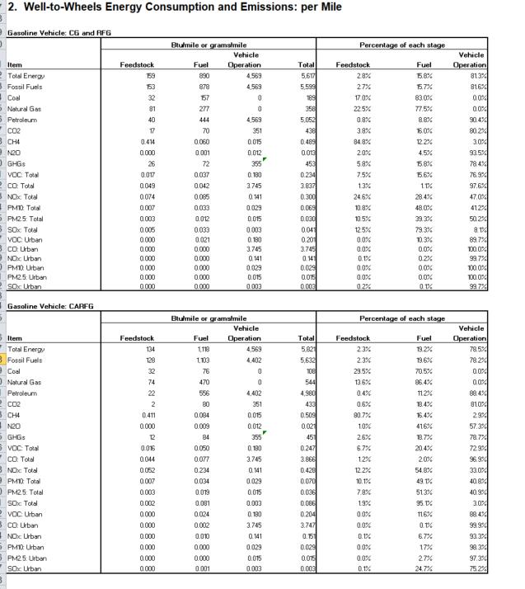
 | Percentage of each stage
Total | Feedstock | Fuel | Vehicle Operation
5617.3988861 | 0.028321855996 | 0.15839273909 | 0.81328540492
5599.3024471 | 0.027239297503 | 0.15684683273 | 0.81591386977
189.18806843 | 0.16992268565 | 0.83007731435 | 0
357.82867336 | 0.2251107078 | 0.7748892922 | 0
5052.2857054 | 0.0078821066105 | 0.08786409737 | 0.90425379602
438.2359793 | 0.038475660046 | 0.15972732744 | 0.80179701251
0.48859006567 | 0.84813515195 | 0.12198294629 | 0.029881901762
0.01283557696 | 0.020031555666 | 0.045066948115 | 0.93490149622
453.27288159 | 0.058394193787 | 0.15783048356 | 0.78377532265
0.23402595711 | 0.074558928265 | 0.1562956234 | 0.76914544834
3.8368402454 | 0.012863773745 | 0.011072682817 | 0.97606354344
0.29975041424 | 0.245580812 | 0.28402783597 | 0.47039135203
0.069374740264 | 0.10800410254 | 0.47974209056 | 0.4122538069
0.029503091082 | 0.10539543507 | 0.39296221283 | 0.5016423521
0.041263943988 | 0.12538906685 | 0.79349465587 | 0.081116277283
0.20060608527 | 0.00016869133949 | 0.10255045371 | 0.89728085495
3.7451242641 | 1.0329933668E-05 | 2.2880868013E-05 | 0.9999667892
0.14140358991 | 0.00092508914189 | 0.0019290624942 | 0.99714584836
0.028606447024 | 8.7688965809E-05 | 0.00013765350738 | 0.99977465753
0.014806103585 | 0.00015643003752 | 0.00025580405342 | 0.99958776591
0.003358043674 | 0.0018124742636 | 0.0014233834819 | 0.99676414225
...
 | Percentage of each stage
Total | Feedstock | Fuel | Vehicle Operation
5821.0808658 | 0.023062575581 | 0.19210920558 | 0.78482821884
5632.3963201 | 0.022675648205 | 0.19576638517 | 0.78155796663
108.40284961 | 0.29460509235 | 0.70539490765 | 0
543.99798392 | 0.13573214082 | 0.86426785918 | 0
4979.9954865 | 0.004406468858 | 0.11164810849 | 0.88394542265
433.23365845 | 0.0055322785913 | 0.18416732159 | 0.81030039982
0.50929817005 | 0.80714866881 | 0.16418442995 | 0.028666901243
0.020927513025 | 0.010105540426 | 0.41648661652 | 0.57340784305
451.14206022 | 0.026408961561 | 0.18683839887 | 0.78675263957
0.24675384723 | 0.066750413312 | 0.20377767886 | 0.72947190783
3.8664865786 | 0.011501432584 | 0.019919003151 | 0.96857956427
0.42780007661 | 0.12233722414 | 0.54806956087 | 0.32959321499
0.070129146191 | 0.10126254095 | 0.49091842332 | 0.40781903573
0.036187656103 | 0.077742291118 | 0.51327847125 | 0.40897923763
0.085538339952 | 0.019493063022 | 0.95064642588 | 0.029860511099
0.20354518554 | 0.00014387529195 | 0.11553159881 | 0.8843245259
3.7474765748 | 8.7528934174E-06 | 0.00065214229103 | 0.99933910482
0.15117955972 | 0.00072638909398 | 0.066607826701 | 0.93266578421
0.029085772049 | 6.9884240379E-05 | 0.016631452482 | 0.98329866328
0.015210272126 | 0.00012401334367 | 0.026849345036 | 0.97302664162
0.0033971982368 | 0.0013540614921 | 0.24678561965 | 0.75186031886
...
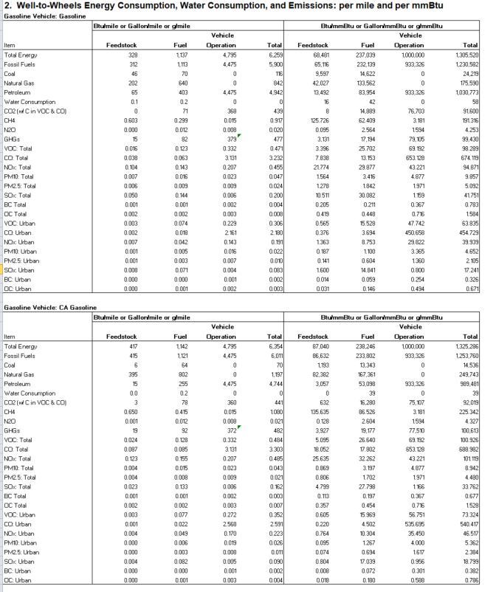
 | Btu/mmBtu or Gallon/mmBtu or g/mmBtu
 | Feedstock | Fuel | Vehicle Operation | Total
 | 67915.306043 | 235080.18057 | 1000000 | 1302995.4866
 | 64857.488029 | 230648.34916 | 933326.45237 | 1228832.2896
 | 8399.1715518 | 12908.646943 | 0 | 21307.818495
 | 43579.119001 | 134164.50666 | 0 | 177743.62566
 | 12879.197476 | 83575.195557 | 933326.45237 | 1029780.8454
 | 14.668808105 | 41.803167071 | 0 | 56.471975177
 | 86.082868807 | 14760.791987 | 76705.998842 | 91552.873697
 | 120.65945858 | 60.967603126 | 2.0086467574 | 183.63570846
 | 0.091616933907 | 2.5587493062 | 1.77052155 | 4.4208877901
 | 3086.2730651 | 17037.435127 | 79203.159013 | 99326.867206
 | 3.2527648082 | 25.577051518 | 55.531412162 | 84.361228488
 | 7.2638596677 | 12.14223082 | 628.43999083 | 647.84608132
 | 17.867010205 | 25.848379967 | 27.903661624 | 71.619051795
 | 1.007106877 | 2.4386555517 | 5.4408980117 | 8.8866604404
 | 0.85328868322 | 1.4633922253 | 2.1809958633 | 4.4976767718
 | 7.8343392355 | 28.125634032 | 0.4562525485 | 36.416225816
 | 0.15589183072 | 0.16953032242 | 0.40413261588 | 0.72955476902
 | 0.30797564733 | 0.37062296682 | 0.76388153789 | 1.442480152
 | 0.55431150237 | 15.518010365 | 38.316674392 | 54.388996259
 | 0.297302281 | 3.5958746227 | 433.62359367 | 437.51677058
 | 0.89642299124 | 7.3247876827 | 19.25352652 | 27.474737194
 | 0.070048116506 | 0.64293576574 | 3.7542196281 | 4.4672035103
 | 0.054795421487 | 0.50071093503 | 1.5048871457 | 2.0603935022
 | 1.1148370587 | 14.294015262 | 0.31481425847 | 15.723666579
 | 0.0070165610794 | 0.050064641896 | 0.27885150496 | 0.33593270793
 | 0.016550690316 | 0.1292624052 | 0.52707826115 | 0.67289135666
...
 | Btu/mmBtu or Gallon/mmBtu or g/mmBtu
 | Feedstock | Fuel | Vehicle Operation | Total
 | 86831.302586 | 236352.6906 | 1000000 | 1323183.9932
 | 86471.983646 | 232343.51886 | 933326.45237 | 1252141.9549
 | 1018.1407942 | 11768.421725 | 0 | 12786.562519
 | 82426.197714 | 167743.28199 | 0 | 250169.47971
 | 3027.6451386 | 52831.815139 | 933326.45237 | 989185.91264
 | 0.17208296634 | 38.955586033 | 0 | 39.127668999
...

Summarize refinery energy use
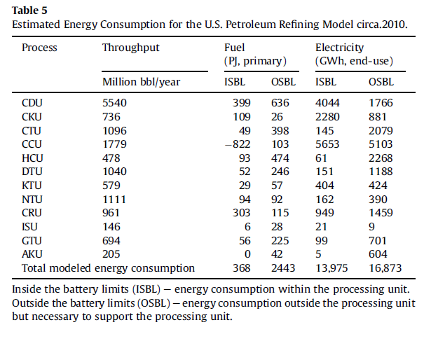

 |  |  |  | Conversions
 |  |  |  | GWH | GJ
 |  |  |  | 1 | 0.000277777778

Convert all energy to common metric
 | native untis | GJ
Fuel | 2811 | 2,811,000,000.00
electricity | 29848 | 8.2911111177
 |  | 2,811,000,008.29 | Total energy in GJ

 |  | 2,811.000008 | Total energy in PJ

Cost of EE in Other Industry
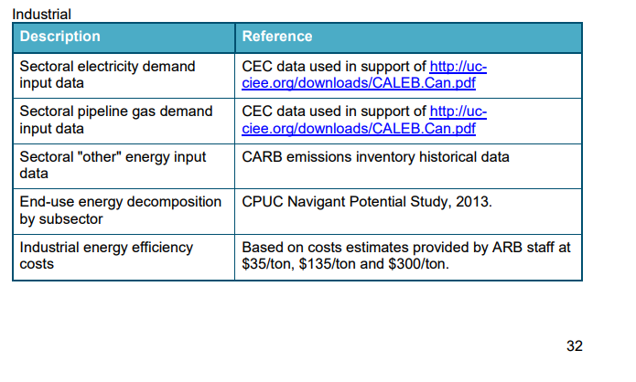
...
Background from CARB Scoping Plan, Appendix D

Estimate EE implementation cost
...
Code | Program | Positions | Dollars* (thousands) | $
Totals, Positions and Expenditures (excluding Infrastructure) |  | 673.3 | $535,530
 | Infrastructure Expenditures | - | $-
Totals, Positions and All Expenditures |  | 673.3 | $535,530

http://www.ebudget.ca.gov/budget/publication/#/e/2018-19/Department/3360

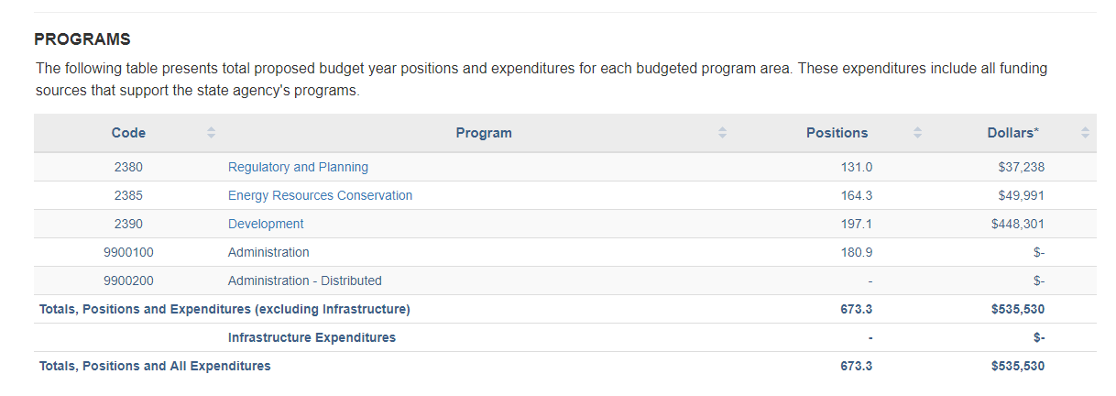

These are understood to include not only salaries but overhead and field expenses.

 | 2017 | 2018 | 2019 | 2020 | 2021 | 2022 | 2023 | 2024 | 2025 | 2026 | 2027 | 2028
Sum of industry fuel use in BAU | 1.5534709E+15 | 1.5494144E+15 | 1.5430167E+15 | 1.5362237E+15 | 1.5266658E+15 | 1.51798E+15 | 1.5094226E+15 | 1.5006351E+15 | 1.5028348E+15 | 1.5033725E+15 | 1.5053365E+15 | 1.5059328E+15
intended policy schedule | 0 | 0 | 0 | 0.090909091 | 0.181818182 | 0.272727273 | 0.363636364 | 0.454545455 | 0.545454545 | 0.636363636 | 0.727272727 | 0.818181818
Fuel swtich intensity max 10% in 2030 |  |  |  | 1.3965670014E+13 | 2.7757560028E+13 | 41399454586854 | 5.48880946E+13 | 6.8210686432E+13 | 8.1972807204E+13 | 9.5669159036E+13 | 109479018140764 | 1.2321268361E+14

Sum of Btu's shifted 2020-2030 | 9.0465502273E+14
...

